Boru Seçim-Kontrol Aracı
 |  |  | Boru akma değerleri Mpa olarak alındığında TEST Basıncı
Kontrol Edilecek Boru: |  | BOTAŞ |  |  |  |  |  |  |  |  |  |  |  | Hidrostatik Test Hacmi | Çap | Uzunluk | Hacim | Sütun1 | 0.4
 |  |  |  |  |  |  |  | Bar |  |  |  |  |  |  |  | 3217.6 |  | m3 | 0.5
 |  |  |  |  |  |  | Et Kalınlığı(mm) | Manuel Hydro Test (Bar) |  |  |  |  |  |  |  | 333.25 |  | m3 | 0.6
 |  |  |  |  |  |  | 3.6 |  |  |  |  |  |  |  |  | 0 |  | m3 | 0.72
 | BORU SEÇİM ARACI |  | OTOMATİK SEÇİM |  |  |  |  | EL İLE SEÇİM |  | Hot-Tap Sınır Basıncı (Bar) (Hot-Tap Şartnamesine Göre) |  |  |  |  |  |  |  |  | 0.8
 | ÇAP (inch) |  | 48" |  |  |  |  | 18" |  | 0,72 (Hat) | 0,6 (Hat) | 0,5 (Hat)
 | ÇAP (mm) |  |  |  |  |  |  |  |  |  |  |  | Botaş Otomatik
 | Design Basıncı |  | 0,72 (Hat) | 0,6 (Hat) | 0,5 (Hat) | 0,5 (İst.) | 0,5 (İst.) | 0.72 |  |  |  |  | Shell document | *Minimum et kalınlığına göre (Eksi Et kalınlığı Toleransı Dahilinde)
 | Et Kalınlığı (mm) |  |  |  |  |  |  | 16.66 |  |  |  |  | Manuel
 | Üretim Yöntemi |  |  |  |  |  |  | SAWH
 | Malzeme Kalitesi |  |  |  |  |  |  | X65
 | SMYS (Psi)
 | Kimyasal Analiz |  | C |  | Max % |  |  | Max %
 |  |  | Mn |  | Max % |  |  | Max %
 |  |  | P |  | Max % | 0.025 |  | Max % | 0.025
 |  |  | S |  | Max % | 0.01 |  | Max % | 0.01
 |  |  | Nb
 |  |  | V |  | Max % | 0.05 |  | Max % | 0.05
 |  |  | Ti |  | Max % | 0.04 |  | Max % | 0.04
 |  |  | N |  | Max % | 0.009 |  | Max % | 0.009
 | Et Kalınlığı Toleransı | Et Kalınlığı Min. (mm) |  |  |  |  |  | Et Kalınlığı Min. (mm) |  |  |  |  |  |  | 35500
 |  | Et Kalınlığı Max. (mm) |  |  |  |  |  | Et Kalınlığı Max. (mm) |  |  |  |  |  |  | 42100
 | Yield Min. (Psi-Mpa) |  |  |  |  |  |  |  |  |  |  |  |  |  | 46400
 | Yield Max. (Psi-Mpa) |  |  |  |  |  |  |  |  |  |  |  |  |  | 52200
 | Tensile Min (Psi-Mpa) |  |  |  |  |  |  |  |  |  |  |  |  |  | 56600
 | Tensile Max (Psi-Mpa) |  |  |  |  |  |  |  |  | API 5L Test Pressure | API 5L Test Pressure |  |  |  | 60200
 | Hydro Test Basıncı Max.(Bar) |  |  |  |  |  |  |  |  |  |  |  |  |  | 65300
 | Hydro Test Basıncı Min.(Bar) |  |  |  |  |  |  |  |  |  |  |  |  |  | 70300
 | API 5L Standart Test Pressure (Bar)
 | API 5L Alternative Test Pressure (Bar)
 | Boru Çap Toleransları (mm) |  | Boru Ucu Max. |  | Boru Gövde Max |  |  |  |  |  |  |  |  |  | 80500
 |  |  | Boru Ucu Min. |  | Boru Gövde Min. |  |  |  |  |  |  |  |  |  | 90600
 | Boru Çevre Toleransı (mm) |  | Boru Ucu Max. |  | Boru Gövde Max |  |  |  |  |  |  |  |  |  | 100100
 |  |  | Boru Ucu Min. |  | Boru Gövde Min. |  |  |  |  |  |  |  |  |  | 120400
 | Ovalite (mm) | Boru Ucu
 |  | Boru Gövde
 | Minimum Uzama (mm) | Malzeme (mm)
 |  | Kaynak | 10.0 | 10.0 | 10.0 | 10.0 | 10.0 | 10
 | Radial Offset Max. (mm)
 | Kaynak Yüksekliği | İç (mm)
 |  | Dış (mm)
 | Misalignment (mm)
 | Çentik Darbe (J) |  | Malzeme |  | Kaynak
 | Çentik Numunesi Boyutu |  | Tablo 22 ye göre düzenle
 | Akma Çekme Oranı Max.
 | Artık Sress Testi Max (mm)
 | Yırtılma Testi (DWTT)
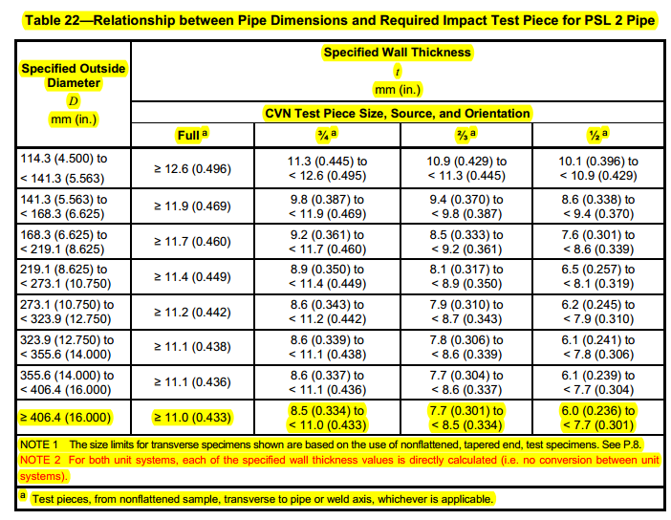
 | Sertlik TESTİ |  | 300 HV | 300 HV | 300 HV | 300 HV | 300 HV | 300 HV
 | Mandrel Çapı Max (mm)
 | Çene Açıklığı Max (mm)
 | FLATTENING | Kaynak açılma yüksekliği (mm)
 |  | Malzemede çatlak yüksekliği (mm)
 |  | Laminasyon
 | Boru Ucu Kaynak Çatılaşma Max(mm)
 | Boru Ucu Diklik Max. (mm) |  | 1.6 |  |  |  |  | 1.6
 | Tamir Kaynağı Uzunluğu (Tek mm)
 | Tam. Kay. Ön Isıtma
 | Ağırlık Nominal (Kg/m)
 | Ağırlık Min. (Kg/m)
 | Ağırlık Max. (Kg/m)
 | Operating pressure/ SMYS
 | 841.1.2 Fracture Control and Arrest
 | D/t
 | 841.1.1 Steel Pipe Design Formula Alternative

 | Alternative Design Pressure

Reinforcement Pad
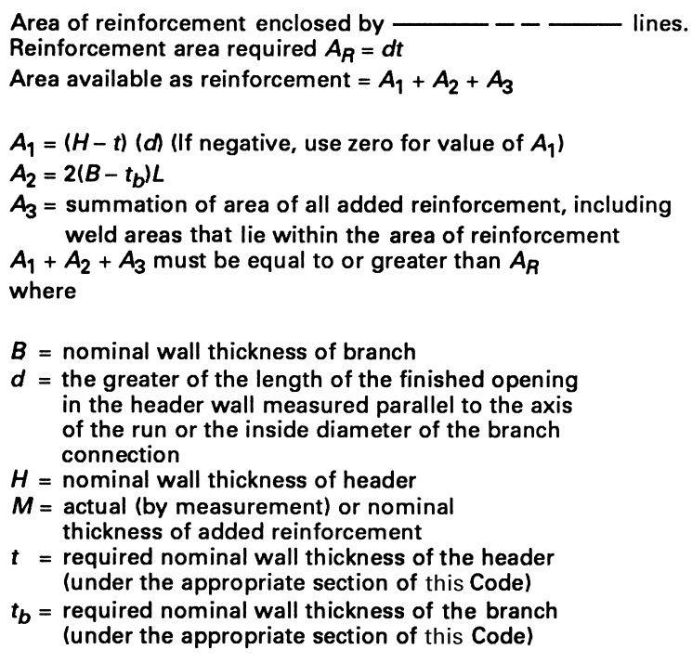
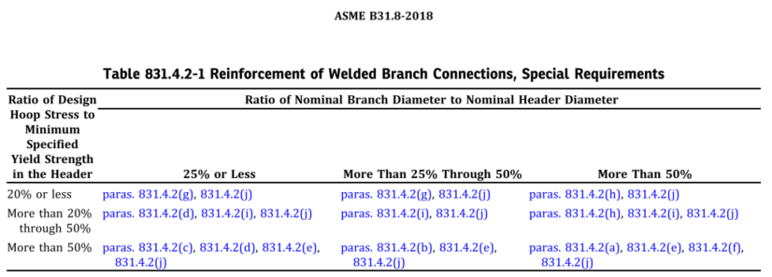
Branch reinforcement calculations as per ASME B 31.3 1996 Edition: |  |  |  | (for nomenclature refer ASME 31.3 1996 Edition)
 |  |  |  | Nom. run size (inch) |  |  | 48"
Enter the following data in the units indicated |  |  |  | Nom. branch size (inch) |  |  | 4"
1 . | Dh=O.D of header or run pipe in mm
 | Db=O.D. of branch pipe in mm
2 . | Nominal thickness of branch pipe in mm.Tb
 | Corrosion allowance for branch pipe in mm. Cb |  | 1.5
3 | Nominal thickness of run pipe in mm Th
 | Corrosion allowance for run pipe in mm. Ch |  | 1.5
4 | Internal design gauge pressure (bar) |  | 82.5
5 | Basic allowable stress for material of run pipe,(table A-1) psi(g), Sh
6 | Basic allowable stress for material of branch pipe,(Table A-1) psi(g) Sb
7 | Quality factor from (Table A-1B), for run pipe.Ejh |  | 1 | d1 effective length removed from pipe at branch mm
8 | Quality factor from (Table A-1B),for branch pipe.Ejb |  | 1 | th pressure design thickness for the run pipe mm
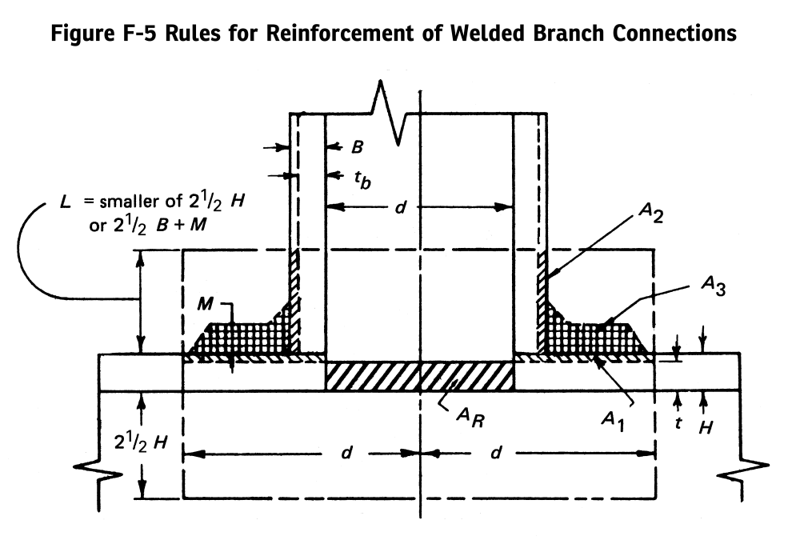
9 | Negative mill tolerance for run pipe in % . Nh |  | 12.5 | tb pressure design thickness for the branch pipe mm |  |  |  |  |  |  |  |  |  | 0.5
10 | Negative mill tolerance for branch pipe in % . Nb |  | 12.5 | (Tb-Cb)+(Th-Ch)+d1/2 mm |  |  |  |  |  |  |  |  |  | 0.6
* | Do you want to check the connection |  | YES | Greater of d1 and (Tb-Cb)+(Th-Ch)+d1/2 |  |  |  |  |  |  |  |  |  | 0.72
 | with reinforcing ring.specify YES / NO |  |  | d2 half width of reinforcement zone mm |  |  |  |  |  |  |  |  |  | 0.8
PLEASE NOTE SET Tr = 0 FOR CHECKING IF REINFORCEMENT PAD IS REQUIRED |  |  |  | A2 area from excess thickness in the run pipe mm2
11 | Tr minimum thickness of reinforcing ring or saddle mm |  | 0.00
12 | b smaller angle between axes of branch and run in degree |  | 90 | 2.5(Th-Ch) mm
 |  |  |  | 2.5(Tb-Cb)+Tr mm
 |  |  |  | L4, Lesser of 2.5(Th-Ch)and 2.5(Tb-Cb)+Tr mm |  |  |  | Height of reinforcement zone outside of run pipe |  | Sütun1 | D (Inch) | D (mm) | S (Mpa) | P (Bar)
13 | Length of reinforcing pad measured along the run mm . Lr |  |  |  |  |  |  |  |  | Nom. run size | 18" |  |  | 75
 |  |  |  | A3 area from excess thickness in branch pipe mm2 |  |  |  |  |  | Nom. branch size | 4" |  |  | 75
 |  |  |  | Less of L4 &Tr forcalculating reinforcement area in ring |  |  |  |  |  | Selected Reinforcing Material |  |  | 355
 |  |  |  |  |  | PLEASE NOTE THIS SHOULD NOT BE LESS THAN Db |  |  |  | Run Pipe Design Factor |  | 0.5
PLEASE NOTE SET Ta = 0 FOR CHECKING IF REINFORCEMENT PAD IS REQUIRED |  |  |  | Thickness used in ring area calculation |  |  |  |  |  | İstasyon İçi Borulama
14 | Enter next higher,available thk ta of reinforcing ring in mm. |  | 0 | Reinforcement area in reinforcing ring mm2 |  |  |  |  |  | B |  | mm
15 | Length of reinforcement pad for ta in mm. |  |  | Throat dimension of fillet weld mm tc |  |  |  |  |  | Cb | 0.00 | mm | Corrosion allowance for branch pipe in mm.
 |  |  |  | Weld reinforcement area without ring mm2 |  |  |  |  |  | d |  | mm
 |  |  |  | Leg dimension of weld at reinforcement ring mm |  |  |  |  |  | H |  | mm
 |  |  |  | Weld dim. at ring used in calculation mm |  |  |  |  |  | M | 11 | mm | (Selected Wall Thick.)
 |  |  |  | Weld reinforcement area at ring mm2 |  |  |  |  |  | t |  | mm
Result |  |  |  |  |  |  |  |  |  | Ch | 0.00 | mm | Corrosion allowance for run pipe in mm.
 |  |  |  | Total area available for reinforcement mm2 |  |  |  |  |  | tb |  | mm
 |  |  |  | Area required mm2 |  |  |  |  |  | L1 |  | mm
 |  |  |  |  |  |  |  |  |  | L2 |  | mm
 |  | PPD. BY : |  | JOB NO. |  |  |  | DWG.NO. | ISSUE | L |  | mm
 |  | CKD. BY : |  |  |  |  |  |  | R0 | Ar |  | mm2
BRANCH REINFORCEMENT CALCULATIONS |  | DATE : |  |  | PROJECT : |  |  | SHEET OF |  | A1 |  | mm2
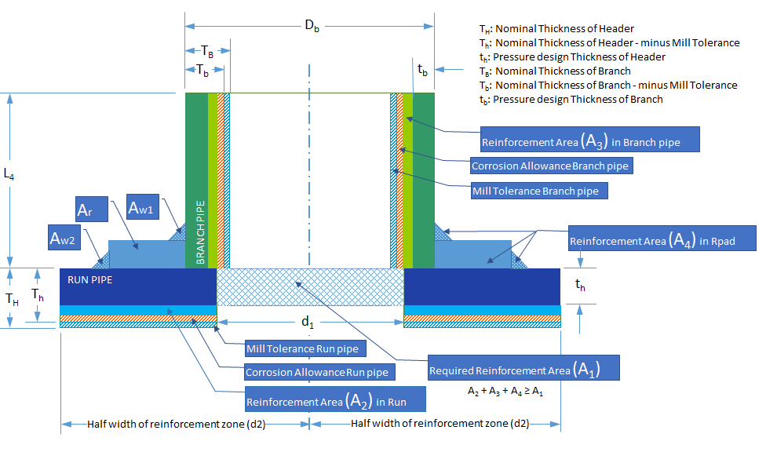
 |  |  |  |  |  |  |  |  |  | A2 |  | mm2
 |  |  |  |  |  |  |  |  |  | A2* |  | mm2
 |  |  |  |  |  |  |  |  |  | A3 |  | mm2
 |  |  |  |  |  |  |  |  |  | d* = |  | (d>d* olmalı)
 |  |  |  |  |  |  |  |  |  | A3 Req. >= | Ar-A2-A1 |  | mm2
 |  |  |  |  |  |  |  |  |  | M Req.> |  | mm | (Min. Reinfor. wt)
 |  |  |  |  |  |  |  |  |  | A3*>= |  |  | A3 Req.*Sh/Sr
 |  |  |  |  |  |  |  |  |  | Lr | 204.60 | mm | Selected Sleeve Lenght
 |  |  |  |  |  |  |  |  |  | M* |  | mm | Min. Sleeve Thickness acc. To Sel. Sleev. Lenght

 |  |  |  |  |  |  |  |  |  | Design Hoop Stress |  |  | Nominal Brunch Dia.
 |  |  |  |  |  |  |  |  |  | Yield Strenght in the Header |  |  | Nominal Header Dia.
 |  |  |  |  |  |  |  |  |  | Ratio

Boru Kontrol Tablosu BOTAŞ
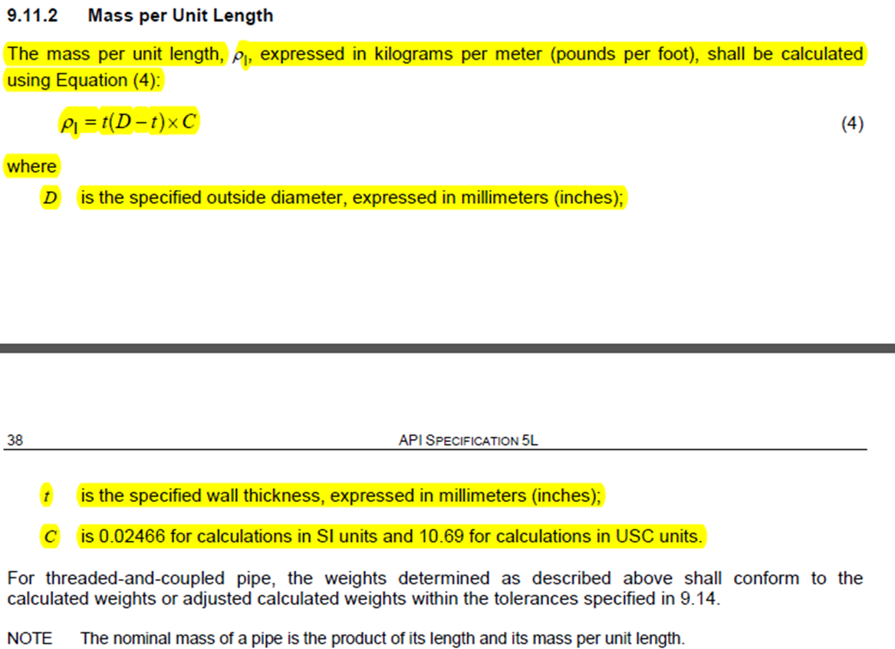
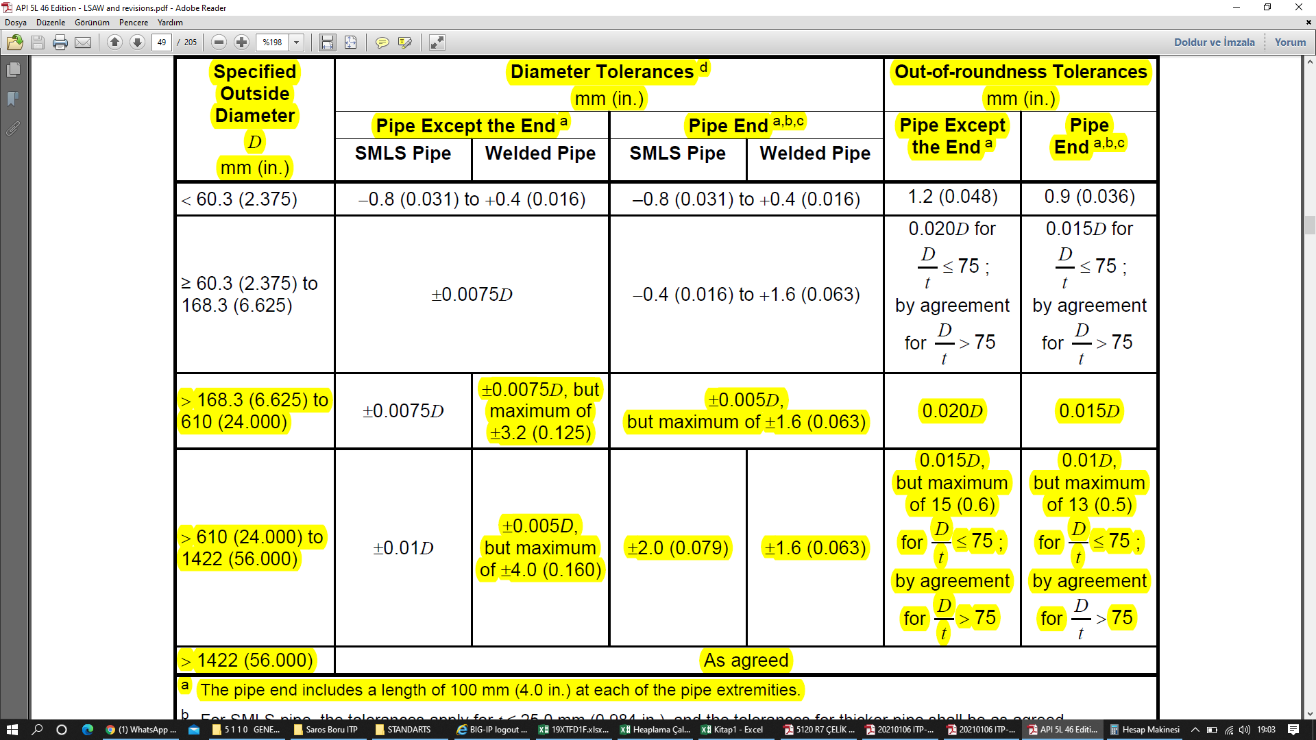
ERW HFW
SAWH
SAWL
COW
SEAMLESS

 |  |  |  |  | Design Pressure 75 |  |  |  |  |  |  |  | Design Pressure 82,5 |  |  |  |  |  |  |  |  |  |  | Ovalite mm |  |  |  |  |  |  |  |  |  | Minimun Elongation
 |  |  |  |  | Boru Hattı |  |  |  |  |  | İstayon |  | İstayon |  | Boru Çap Toleransları mm |  |  |  | Boru Hattı |  |  | İstayon |  | Boru Hattı |  |  |  |  |  | İstayon |  |  |  | Boru Hattı |  |  |  |  |  | İstayon
 |  |  |  |  | F=0,72 |  | F=0,60 |  | F=0,50 |  | F=0,50 |  | F=0,50 |  |  |  |  |  | F=0,72 | F=0,6 | F=0,5 | F=0,5 | F=0,5 | F=0,72 |  | F=0,6 |  | F=0,5 |  | F=0,5 |  | F=0,5 |  | F=0,72 |  | F=0,6 |  | F=0,5 |  | F=0,5 |  | F=0,5 (82,5)
1 | 2 | 3 | 4 | 5 | 6 | 7 | 8 | 9 | 10 | 11 | 12 | 13 | 14 | 15 | 16 | 17 | 18 | 19 | 20 | 21 | 22 | 23 | 24 | 25 | 26 | 27 | 28 | 29 | 30 | 31 | 32 | 33 | 34 | 35 | 36 | 37 | 38 | 39 | 40 | 41 | 42 | 43 | 44
ÇAP inch | ÇAP mm | MALZEME | SMYS Psi | Tensile Mpa | Et Kalınlığı | Max Bas. bar | Et Kalınlığı 2 | Max Bas. Bar2 | Et Kalınlığı 3 | Max Bas. Bar3 | Et Kalınlığı 4 | Max Bas. Bar4 | Et Kalınlığı 5 | Max Bas. Bar5 | Boru Ucu MAX | Boru Ucu Min | Boru Gövde MAX | Boru Gövde Min | D/t | D/t2 | D/t3 | D/t4 | D/t5 | Boru Ucu 1 | Boru Gövdesi 1 | Boru Ucu 2 | Boru Gövdesi 2 | Boru Ucu 3 | Boru Gövdesi 3 | Boru Ucu 4 | Boru Gövdesi 4 | Boru Ucu 5 | Boru Gövdesi 5 | Axc mm2 | Af mm | Axc mm22 | Af mm2 | Axc mm23 | Af mm3 | Axc mm24 | Af mm4 | Axc mm25 | Af mm5
½" | 21.3 | GRADE B | 35,500 | 415 |  |  |  |  |  |  | 3.7 |  | 3.7 |  |  |  |  |  |  |  |  |  |  |  |  |  |  |  |  |  |  |  | 1.20
¾" | 26.7 | GRADE B | 35,500 | 415 |  |  |  |  |  |  | 3.9 |  | 3.9 |  |  |  |  |  |  |  |  |  |  |  |  |  |  |  |  |  |  |  | 1.20
1" | 33.4 | GRADE B | 35,500 | 415 |  |  |  |  |  |  | 4.6 |  | 4.6 |  |  |  |  |  |  |  |  |  |  |  |  |  |  |  |  |  |  |  | 1.20
1¼" | 42.2 | GRADE B | 35,500 | 415 |  |  |  |  |  |  | 4.9 |  | 4.9 |  |  |  |  |  |  |  |  |  |  |  |  |  |  |  |  |  |  |  | 1.20
1½" | 48.3 | GRADE B | 35,500 | 415 |  |  |  |  |  |  | 5.1 |  | 5.1 |  |  |  |  |  |  |  |  |  |  |  |  |  |  |  |  |  |  |  | 1.20
2" | 60.3 | GRADE B | 35,500 | 415 |  |  |  |  |  |  | 5.5 |  | 5.5
2½" | 73 | GRADE B | 35,500 | 415 |  |  |  |  |  |  | 5.2 |  | 5.2
3" | 88.9 | GRADE B | 35,500 | 415 |  |  |  |  |  |  | 5.5 |  | 5.5
4" | 114.3 | GRADE B | 35,500 | 415 |  |  |  |  |  |  | 6 |  | 6.0
5" | 141.3 | GRADE B | 35,500 | 415 |  |  |  |  |  |  | 6.6 |  | 7.1
6" | 168.3 | X42 | 42,100 | 415 | 5.2 |  | 5.2 |  | 5.2 |  | 6.4 |  | 6.4
8" | 219.1 | X42 | 42,100 | 415 | 5.2 |  | 5.2 |  | 6.4 |  | 7.9 |  | 7.9
10" | 273.1 | X46 | 46,400 | 435 | 5.2 |  | 5.6 |  | 7.1 |  | 8.7 |  | 8.7
12" | 323.9 | X52 | 52,200 | 460 | 5.2 |  | 6.4 |  | 7.1 |  | 8.4 |  | 9.5
14" | 355.6 | X52 | 52,200 | 460 | 5.2 |  | 6.4 |  | 7.9 |  | 9.5 |  | 10.3
16" | 406.4 | X60 | 60,200 | 520 | 5.2 |  | 6.4 |  | 7.9 |  | 9.5 |  | 10.3
18" | 457 | X65 | 65,300 | 535 | 5.6 |  | 6.4 |  | 7.9 |  | 9.5 |  | 10.3
20" | 508 | X65 | 65,300 | 535 | 6.4 |  | 7.1 |  | 8.7 |  | 10.3 |  | 11.1
22" | 559 | X65 | 65,300 | 535 | 7.1 |  | 7.9 |  | 9.5 |  | 11.1 |  | 11.9
24" | 610 | X65 | 65,300 | 535 | 7.1 |  | 8.7 |  | 10.3 |  | 11.9 |  | 12.7
30" | 762 | X65 | 65,300 | 535 | 9.5 |  | 11.1 |  | 12.7 |  | 14.3 |  | 15.9
32" | 813 | X65 | 65,300 | 535 | 9.5 |  | 11.9 |  | 14.3 |  | 15.9 |  | 17.5
34" | 864 | X65 | 65,300 | 535 | 10.3 |  | 12.7 |  | 15.9 |  | 15.9 |  | 17.5
36" | 914 | X65 | 65,300 | 535 | 11.1 |  | 12.7 |  | 15.9 |  | 17.5 |  | 19.1
38" | 965 | X65 | 65,300 | 535 | 11.9 |  | 14.3 |  | 17.5 |  | 19.1 |  | 20.6
40" | 1016 | X65 | 65,300 | 535 | 11.9 |  | 14.3 |  | 17.5 |  | 19.1 |  | 20.6
42" | 1067 | X65 | 65,300 | 535 | 12.7 |  | 15.9 |  | 19.1 |  | 20.6 |  | 22.2
44" | 1118 | X65 | 65,300 | 535 | 14.3 |  | 15.9 |  | 19.1 |  | 20.6 |  | 22.2
46" | 1168 | X65 | 65,300 | 535 | 14.3 |  | 17.5 |  | 20.6 |  | 22.2 |  | 23.8
48" | 1219 | X65 | 65,300 | 535 | 14.3 |  | 17.5 |  | 20.6 |  | 22.2 |  | 23.8
52" | 1321 | X65 | 65,300 | 535 | 15.9 | 108.2 | 19.1 | 129.8 | 22.2 | 151.50 | 23.8 | 162.4 | 27.0
56" | 1422 | X65 | 65,300 | 535 | 17.5 | 110.7 | 20.6 | 130.5 | 23.8 | 150.87 | 25.4 | 160.8 | 28.6
60" | 1524 | X65 | 65,300 | 535 | 19.1 | 112.5 | 22.2 | 131.3 | 25.4 | 150.04 | 27 | 159.3 | 30.2
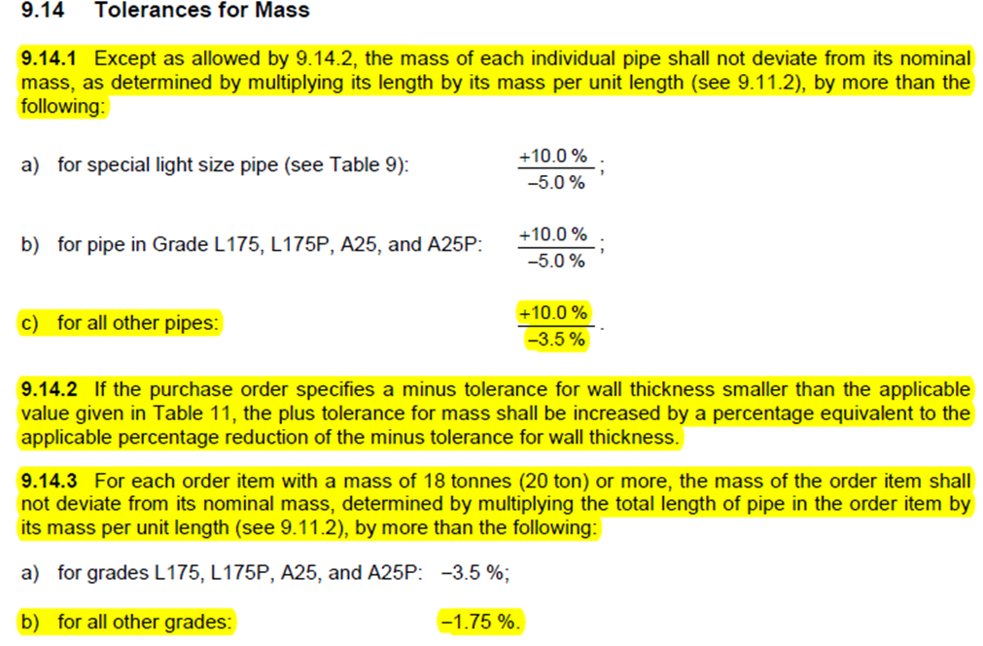
 |  |  |  |  |  | 104.4 |  | 125.1 |  | 150.0 |  | 159.3

Fitting Seçim Aracı
 |  |  |  |  |  |  |  |  |  |  |  |  | Malzeme Cinsi | Çentik Darbe mukavemeti (J) (-28C) |  | Sertlik HBW | MSS SP-97 | OLET
FİTTİNG | Çap(inch) | Çap(mm) | Üretim Standardı | Üretim Standartı | Standart Gereği Testler | Malzeme Standardı Manuel | Üretim Standartı Manuel | Boyutlandırma Standardı |  |  |  |  |  | (Malzeme) (Kaynak) |  |  | ASME B16.11 |  | BORU DIŞ ÇAPI Anma (inch) | DN | Nominal (inch) | Nominal (mm) | Fitting Malzeme Standart | Fitting Üretim Standart | Flanş Malzeme Standart | Flanş Üretim Standart | HAT BORULARI F=0,72 | HAT BORULARI F=0,60 | HAT BORULARI F=0,50 | İSTASYON BORULARI 75 bar | İSTASYON BORULARI 82,5 bar | 21,3 | GRADE B | ½" | ¾" | 1" | 1¼" | 1½" | 2" | 2½" | 3" | 4" | 5" | 6" | 8" | 10" | 12" | 14" | 16" | 18" | 20" | 22" | 24" | 30" | 32" | 34" | 36" | 38" | 40" | 42" | 44" | 46" | 48" | 52" | 56" | 60"
KEP | 4" |  |  |  | Tablo-1 / Tablo-2 | ASTM A234 WPB | ASME B16.9 |  |  |  |  |  | ASTM A234 WPB | 27 | 27 | 235 | MSS SP-75 |  | ½" | 15 | 0.84 | 21.3 | ASTM A234 WPB | ASME B16.9 | ASTM A105 | ASME B16.5 |  |  |  | 3.7 | 3.7 | 26.7 | GRADE B | ¾" | T
TEE | 10" |  |  |  |  |  |  |  |  |  |  |  | ASTM A860 WPHY42 | 27 | 27 | 235 | ASME B16.9 |  | ¾" | 20 | 1.05 | 26.7 | ASTM A234 WPB | ASME B16.9 | ASTM A105 | ASME B16.5 |  |  |  | 3.9 | 3.9 | 33.4 | GRADE B | 1" | RT | T
REDÜKSİYON | 14" |  |  |  |  |  |  |  |  |  |  |  | ASTM A860 WPHY46 | 48 | 36 | 235 |  |  | 1" | 25 | 1.315 | 33.4 | ASTM A234 WPB | ASME B16.9 | ASTM A105 | ASME B16.5 |  |  |  | 4.6 | 4.6 | 42.2 | GRADE B | 1¼" | RT | RT | T
RED. TEE | 30" |  |  |  |  |  |  |  |  |  |  |  | ASTM A860 WPHY52 | 48 | 36 | 235 |  |  | 1¼" | 32 | 1.66 | 42.2 | ASTM A234 WPB | ASME B16.9 | ASTM A105 | ASME B16.5 |  |  |  | 4.9 | 4.9 | 48.3 | GRADE B | 1½" | RT | RT | RT | T
OLET | 8" |  |  |  |  |  |  |  |  |  |  |  | ASTM A860 WPHY60 | 60 | 45 | 235 |  |  | 1½" | 40 | 1.9 | 48.3 | ASTM A234 WPB | ASME B16.9 | ASTM A105 | ASME B16.5 |  |  |  | 5.1 | 5.1 | 60.3 | GRADE B | 2" | RT | RT | RT | RT | T
 |  |  |  |  |  |  |  |  |  |  |  |  | ASTM A860 WPHY65 | 60 | 45 | 235 |  |  | 2" | 50 | 2⅜" | 60.3 | ASTM A234 WPB | ASME B16.9 | ASTM A105 | ASME B16.5 |  |  |  | 5.5 | 5.5 | 73 | GRADE B | 2½" | SO | RT | RT | RT | RT | T
 |  |  |  |  |  |  |  |  |  |  |  |  | ASTM A860 WPHY70 | 60 | 45 | 235 |  |  | 2½" | 65 | 2 ⅞” | 73 | ASTM A234 WPB | ASME B16.9 | ASTM A105 | ASME B16.5 |  |  |  | 5.2 | 5.2 | 88.9 | GRADE B | 3" | SO | SO | RT | RT | RT | RT | T
 |  |  |  |  |  |  |  |  |  |  |  |  |  |  |  |  |  |  | 3" | 80 | 3 ½” | 88.9 | ASTM A234 WPB | ASME B16.9 | ASTM A105 | ASME B16.5 |  |  |  | 5.5 | 5.5 | 114.3 | GRADE B | 4" | SO | SO | SO | RT | RT | RT | RT | T
 |  |  |  |  |  |  |  |  |  |  |  |  |  |  |  |  |  |  | 4" | 100 | 4 ½” | 114.3 | ASTM A234 WPB | ASME B16.9 | ASTM A105 | ASME B16.5 |  |  |  | 6 | 6 | 141.3 | GRADE B | 5" | SO | SO | SO | WO | RT | RT | RT | RT | T
 |  |  |  |  |  |  |  |  |  |  |  |  |  |  |  |  |  |  | 5" | 125 | 5 ⅝" | 141.3 | ASTM A234 WPB | ASME B16.9 | ASTM A105 | ASME B16.5 |  |  |  | 6.6 | 7.1 | 168.3 | X42 | 6" | SO | SO | SO | WO | WO | RT | RT | RT | RT | T
 |  |  |  |  |  |  |  |  |  |  |  |  |  |  |  |  |  |  | 6" | 150 | 6 ⅝" | 168.3 | ASTM A860 WPHY42 | ASME B16.9 | ASTM A694 F42 | ASME B16.5 | 5.2 | 5.2 | 5.2 | 6.4 | 6.4 | 219.1 | X42 | 8" | SO | SO | SO | WO | WO |  | * | RT | RT | RT | T
CHEMICAL COMPOSITION OF KEP |  |  |  |  |  |  |  |  |  |  |  |  |  |  |  |  |  |  | 8" | 200 | 8 ⅝" | 219.1 | ASTM A860 WPHY42 | ASME B16.9 | ASTM A694 F42 | ASME B16.5 | 5.2 | 5.2 | 6.4 | 7.9 | 7.9 | 273.1 | X46 | 10" | SO | SO | SO | WO | WO |  |  | RT | RT | RT | RT | T
C% | Mn% | Si% | S% | P% | Cr% | Ni% | Mo% | V% | Cu% | Columbium % | Al % | Other |  |  |  |  |  |  | 10" | 250 | 10 ¾" | 273.1 | ASTM A860 WPHY46 | ASME B16.9 | ASTM A694 F46 | ASME B16.5 | 5.2 | 5.6 | 7.1 | 8.7 | 8.7 | 323.9 | X52 | 12" | SO | SO | SO | WO | WO |  |  | * | RT | RT | RT | RT | T
 |  |  |  |  |  |  |  |  |  |  |  |  |  |  |  |  |  |  | 12" | 300 | 12 ¾" | 323.9 | ASTM A860 WPHY52 | ASME B16.9 | ASTM A694 F52 | MSS SP-44 | 5.2 | 6.4 | 7.1 | 8.4 | 9.5 | 355.6 | X52 | 14" | SO | SO | SO | WO | WO |  |  |  | * | RT | RT | RT | RT | T
 |  |  |  |  |  |  |  |  |  |  |  |  |  |  |  |  |  |  | 14" | 350 | 14" | 355.6 | ASTM A860 WPHY52 | ASME B16.9 | ASTM A694 F52 | MSS SP-44 | 5.2 | 6.4 | 7.9 | 9.5 | 10.3 | 406.4 | X60 | 16" | SO | SO | SO | WO | WO |  |  |  |  | RT | RT | RT | RT | RT | T
MECHANICAL PROPERTIES OF KEP |  |  |  |  |  |  |  |  |  |  |  |  |  |  |  |  |  |  | 16" | 400 | 16" | 406.4 | ASTM A860 WPHY60 | MSS SP-75 | ASTM A694 F60 | MSS SP-44 | 5.2 | 6.4 | 7.9 | 9.5 | 10.3 | 457 | X65 | 18" | SO | SO | SO | WO | WO |  |  |  |  | * | RT | RT | RT | RT | RT | T
Yield Strength Min, psi | Yield Strength Min, N/mm² | Tensile Strength Min, psi | Tensile Strength Min, N/mm² | Elongation (%) | Reduction of Area (%) | Hardness, maximum HBW | CVN Avarage | CVN Min | CVN Temp C |  |  |  |  |  |  |  |  |  | 18" | 450 | 18" | 457 | ASTM A860 WPHY65 | MSS SP-75 | ASTM A694 F65 | MSS SP-44 | 5.6 | 6.4 | 7.9 | 9.5 | 10.3 | 508 | X65 | 20" | SO | SO | SO | WO | WO |  |  |  |  |  | RT | RT | RT | RT | RT | RT | T
 |  |  |  |  |  |  |  |  |  |  |  |  |  |  |  |  |  |  | 20" | 500 | 20" | 508 | ASTM A860 WPHY65 | MSS SP-75 | ASTM A694 F65 | MSS SP-44 | 6.4 | 7.1 | 8.7 | 10.3 | 11.1 | 559 | X65 | 22" | SO | SO | SO | WO | WO |  |  |  |  |  |  | RT | RT | RT | RT | RT | RT | T
 |  |  |  |  |  |  |  |  |  |  |  |  |  |  |  |  |  |  | 22" |  | 22" | 559 | ASTM A860 WPHY65 | MSS SP-75 | ASTM A694 F65 | MSS SP-44 | 7.1 | 7.9 | 9.5 | 11.1 | 11.9 | 610 | X65 | 24" | SO | SO | SO | WO | WO |  |  |  |  |  | * | RT | RT | RT | RT | RT | RT | RT | T
 |  |  |  |  |  |  |  |  |  |  |  |  |  |  |  |  |  |  | 24" | 600 | 24" | 610 | ASTM A860 WPHY65 | MSS SP-75 | ASTM A694 F65 | MSS SP-44 | 7.1 | 8.7 | 10.3 | 11.9 | 12.7 | 762 | X65 | 30" | SO | SO | SO | WO | WO |  |  |  |  |  |  | RT | RT | RT | RT | RT | RT | RT | RT | T
CHEMICAL COMPOSITION OF TEE |  |  |  |  |  |  |  |  |  |  |  |  |  |  |  |  |  |  | 30" | 750 | 30" | 762 | ASTM A860 WPHY65 | MSS SP-75 | ASTM A694 F65 | ASME B16.47 | 9.5 | 11.1 | 12.7 | 14.3 | 15.9 | 813 | X65 | 32" | SO | SO | SO | WO | WO |  |  |  |  |  |  |  | * | RT | RT | RT | RT | RT | RT | RT | T
C% | Mn% | Si% | S% | P% | Cr% | Ni% | Mo% | V% | Cu% | Columbium % | Al % | Other |  |  |  |  |  |  | 32" | 800 | 32" | 813 | ASTM A860 WPHY65 | MSS SP-75 | ASTM A694 F65 | ASME B16.47 | 9.5 | 11.9 | 14.3 | 15.9 | 17.5 | 864 | X65 | 34" | SO | SO | SO | WO | WO |  |  |  |  |  |  |  | * |  | RT | RT | RT | RT | RT | RT | RT | T
 |  |  |  |  |  |  |  |  |  |  |  |  |  |  |  |  |  |  | 34" | 850 | 34" | 864 | ASTM A860 WPHY65 | MSS SP-75 | ASTM A694 F65 | ASME B16.47 | 10.3 | 12.7 | 15.9 | 15.9 | 17.5 | 914 | X65 | 36" | SO | SO | SO | WO | WO |  |  |  |  |  |  |  | * |  | RT | RT | RT | RT | RT | RT | RT | RT | T
 |  |  |  |  |  |  |  |  |  |  |  |  |  |  |  |  |  |  | 36" | 900 | 36" | 914 | ASTM A860 WPHY65 | MSS SP-75 | ASTM A694 F65 | ASME B16.47 | 11.1 | 12.7 | 15.9 | 17.5 | 19.1 | 965 | X65 | 38" | SO | SO | SO | WO | WO |  |  |  |  |  |  |  |  | * |  | RT | RT | RT | RT | RT | RT | RT | RT | T
MECHANICAL PROPERTIES OF TEE |  |  |  |  |  |  |  |  |  |  |  |  |  |  |  |  |  |  | 38" | 950 | 38" | 965 | ASTM A860 WPHY65 | MSS SP-75 | ASTM A694 F65 | ASME B16.47 | 11.9 | 14.3 | 17.5 | 19.1 | 20.6 | 1016 | X65 | 40" | SO | SO | SO | WO | WO |  |  |  |  |  |  |  |  | * |  | RT | RT | RT | RT | RT | RT | RT | RT | RT | T
Yield Strength Min, psi | Yield Strength Min, N/mm² | Tensile Strength Min, psi | Tensile Strength Min, N/mm² | Elongation (%) | Reduction of Area (%) | Hardness, maximum HBW | CVN Avarage | CVN Min | CVN Temp C |  |  |  |  |  |  |  |  |  | 40" | 1,000 | 40" | 1,016 | ASTM A860 WPHY65 | MSS SP-75 | ASTM A694 F65 | ASME B16.47 | 11.9 | 14.3 | 17.5 | 19.1 | 20.6 | 1067 | X65 | 42" | SO | SO | SO | WO | WO |  |  |  |  |  |  |  |  | * | RT | RT | RT | RT | RT | RT | RT | RT | RT | RT | RT | T
 |  |  |  |  |  |  |  |  |  |  |  |  |  |  |  |  |  |  | 42" | 1,050 | 42" | 1,067 | ASTM A860 WPHY65 | MSS SP-75 | ASTM A694 F65 | ASME B16.47 | 12.7 | 15.9 | 19.1 | 20.6 | 22.2 | 1118 | X65 | 44" | SO | SO | SO | WO | WO |  |  |  |  |  |  |  |  |  | * |  | RT | RT | RT | RT | RT | RT | RT | RT | RT | RT | T
 |  |  |  |  |  |  |  |  |  |  |  |  |  |  |  |  |  |  | 44" | 1,100 | 44" | 1,118 | ASTM A860 WPHY65 | MSS SP-75 | ASTM A694 F65 | ASME B16.47 | 14.3 | 15.9 | 19.1 | 20.6 | 22.2 | 1168 | X65 | 46" | SO | SO | SO | WO | WO |  |  |  |  |  |  |  |  |  | * |  |  | RT | RT | RT | RT | RT | RT | RT | RT | RT | RT | T
CHEMICAL COMPOSITION OF REDÜKSİYON |  |  |  |  |  |  |  |  |  |  |  |  |  |  |  |  |  |  | 46" | 1,150 | 46" | 1,168 | ASTM A860 WPHY65 | MSS SP-75 | ASTM A694 F65 | ASME B16.47 | 14.3 | 17.5 | 20.6 | 22.2 | 23.8 | 1219 | X65 | 48" | SO | SO | SO | WO | WO |  |  |  |  |  |  |  |  |  | RT | RT | RT | RT | RT | RT | RT | RT | RT | RT | RT | RT | RT | RT | T
C% | Mn% | Si% | S% | P% | Cr% | Ni% | Mo% | V% | Cu% | Columbium % | Al % | Other |  |  |  |  |  |  | 48" | 1,200 | 48" | 1,219 | ASTM A860 WPHY65 | MSS SP-75 | ASTM A694 F65 | ASME B16.47 | 14.3 | 17.5 | 20.6 | 22.2 | 23.8 | 1321 | X65 | 52" | SO | SO | SO | WO | WO |  |  |  |  |  |  |  |  |  |  |  |  |  | RT | RT |  |  | RT |  |  | RT |  |  | RT | T
 |  |  |  |  |  |  |  |  |  |  |  |  |  |  |  |  |  |  | 52" | 1,300 | 52" | 1,321 | ASTM A860 WPHY65 | MSS SP-75 | ASTM A694 F65 | ASME B16.47 | 15.9 | 19.1 | 22.2 | 23.8 | 27 | 1422 | X65 | 56" | SO | SO | SO | WO | WO |  |  |  |  |  |  |  |  |  |  |  |  |  | RT | RT |  |  | RT |  |  | RT |  |  | RT | RT | T
 |  |  |  |  |  |  |  |  |  |  |  |  |  |  |  |  |  |  | 56" | 1,400 | 56" | 1,422 | ASTM A860 WPHY65 | MSS SP-75 | ASTM A694 F65 | ASME B16.47 | 17.5 | 20.6 | 23.8 | 25.4 | 28.6 | 1524 | X65 | 60" | SO | SO | SO | WO | WO |  |  |  |  |  |  |  |  |  |  |  | * |  |  | RT |  |  | RT |  |  | RT |  |  | RT |  |  | T
MECHANICAL PROPERTIES OF REDÜKSİYON |  |  |  |  |  |  |  |  |  |  |  |  |  |  |  |  |  |  | 60" | 1,500 | 60" | 1,524 | ASTM A860 WPHY65 | MSS SP-75 | ASTM A694 F65 | ASME B16.47 | 19.1 | 22.2 | 25.4 | 27 | 30.2
Yield Strength Min, psi | Yield Strength Min, N/mm² | Tensile Strength Min, psi | Tensile Strength Min, N/mm² | Elongation (%) | Reduction of Area (%) | Hardness, maximum HBW | CVN Avarage | CVN Min | CVN Temp C
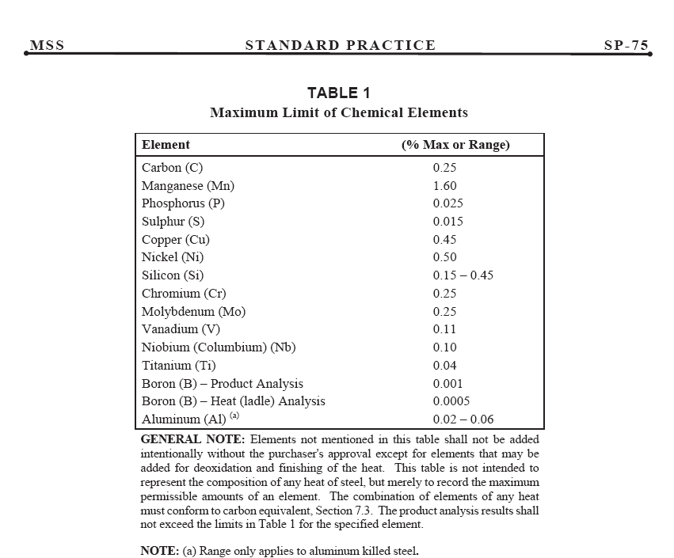
 |  |  |  |  |  |  |  |  |  |  |  |  |  |  |  |  |  |  |  |  |  |  |  |  |  |  |  |  |  |  |  |  |  |  | SO | Socolet
 |  |  |  |  |  |  |  |  |  |  |  |  |  |  |  |  |  |  |  |  |  |  |  |  |  |  |  |  |  |  |  |  |  |  | WO | Weldolet
CHEMICAL COMPOSITION OF RED. TEE |  |  |  |  |  |  |  |  |  |  |  |  |  |  |  |  |  |  |  |  |  |  |  |  |  |  |  |  |  |  |  |  |  |  | RT | Reduced Tee
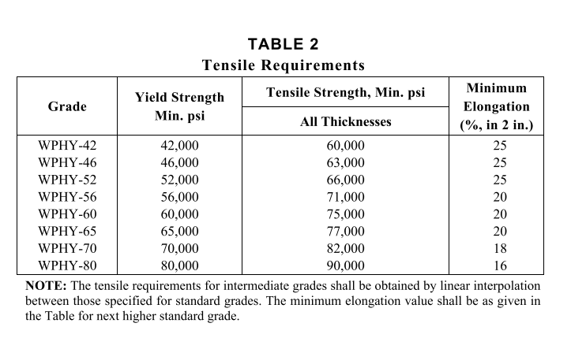
C% | Mn% | Si% | S% | P% | Cr% | Ni% | Mo% | V% | Cu% | Columbium % | Al % | Other |  |  |  |  |  |  |  |  |  |  |  |  |  |  |  |  |  |  |  |  |  |  | T | Tee

 |  |  |  |  |  |  |  |  |  |  |  |  |  |  |  |  |  |  |  |  |  |  |  |  |  |  |  |  |  |  |  |  |  |  | * | Vana By-pass ları için RT olarak üretim yok
MECHANICAL PROPERTIES OF RED. TEE
Yield Strength Min, psi | Yield Strength Min, N/mm² | Tensile Strength Min, psi | Tensile Strength Min, N/mm² | Elongation (%) | Reduction of Area (%) | Hardness, maximum HBW | CVN Avarage | CVN Min | CVN Temp C

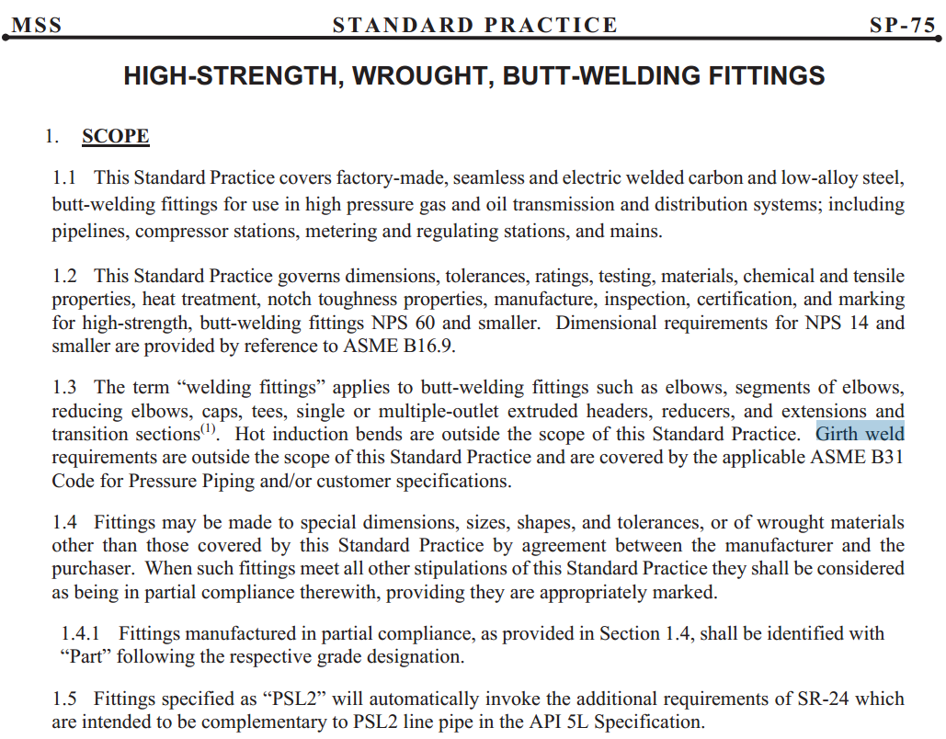
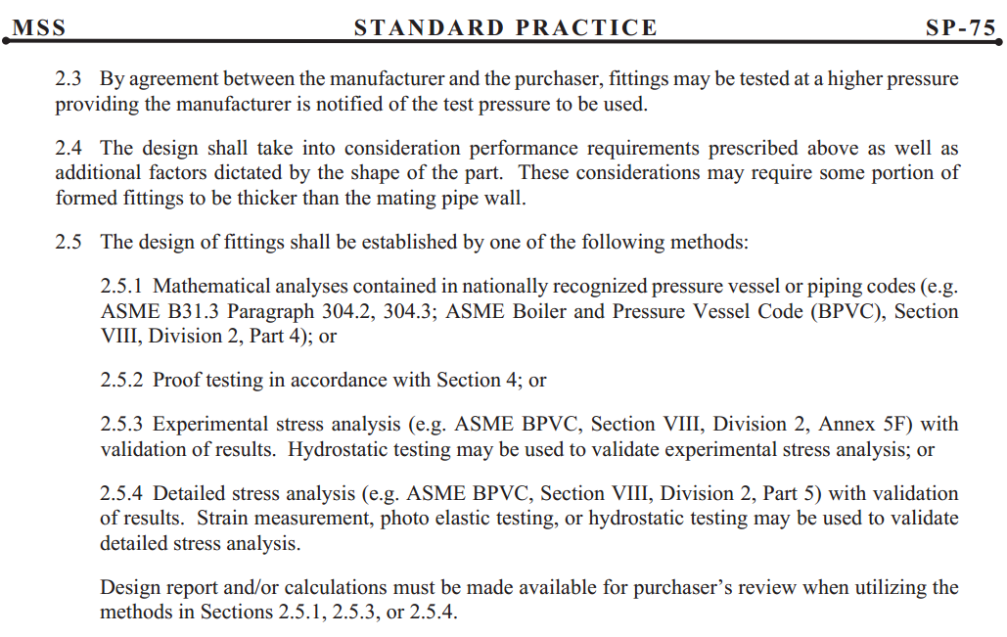

MSS SP-75 CHEMICAL COMPOSITION
Grade | C% | Mn% | Si% | S% | P% | Cr% | Ni% | Mo% | V% | Cu% | Columbium % | Al % | Other
MSS SP-75 WPHY-42 | 0.25 | 1.60 | 0,15-0,45 | 0.015 | 0.025 | 0.25 | 0.5 | 0.25 | 0.11 | 0.45 | 0.1 | 0,02-0,06 | Ti<0,04 / Bo<0,001
MSS SP-75 WPHY-46 | 0.25 | 1.60 | 0,15-0,45 | 0.015 | 0.025 | 0.25 | 0.5 | 0.25 | 0.11 | 0.45 | 0.1 | 0,02-0,06 | Ti<0,04 / Bo<0,001
MSS SP-75 WPHY-52 | 0.25 | 1.60 | 0,15-0,45 | 0.015 | 0.025 | 0.25 | 0.5 | 0.25 | 0.11 | 0.45 | 0.1 | 0,02-0,06 | Ti<0,04 / Bo<0,001
MSS SP-75 WPHY-56 | 0.25 | 1.60 | 0,15-0,45 | 0.015 | 0.025 | 0.25 | 0.5 | 0.25 | 0.11 | 0.45 | 0.1 | 0,02-0,06 | Ti<0,04 / Bo<0,001
MSS SP-75 WPHY-60 | 0.25 | 1.60 | 0,15-0,45 | 0.015 | 0.025 | 0.25 | 0.5 | 0.25 | 0.11 | 0.45 | 0.1 | 0,02-0,06 | Ti<0,04 / Bo<0,001
MSS SP-75 WPHY-65 | 0.25 | 1.60 | 0,15-0,45 | 0.015 | 0.025 | 0.25 | 0.5 | 0.25 | 0.11 | 0.45 | 0.1 | 0,02-0,06 | Ti<0,04 / Bo<0,001
MSS SP-75 WPHY-70 | 0.25 | 1.60 | 0,15-0,45 | 0.015 | 0.025 | 0.25 | 0.5 | 0.25 | 0.11 | 0.45 | 0.1 | 0,02-0,06 | Ti<0,04 / Bo<0,001
MSS SP-75 WPHY-80 | 0.25 | 1.60 | 0,15-0,45 | 0.015 | 0.025 | 0.25 | 0.5 | 0.25 | 0.11 | 0.45 | 0.1 | 0,02-0,06 | Ti<0,04 / Bo<0,001
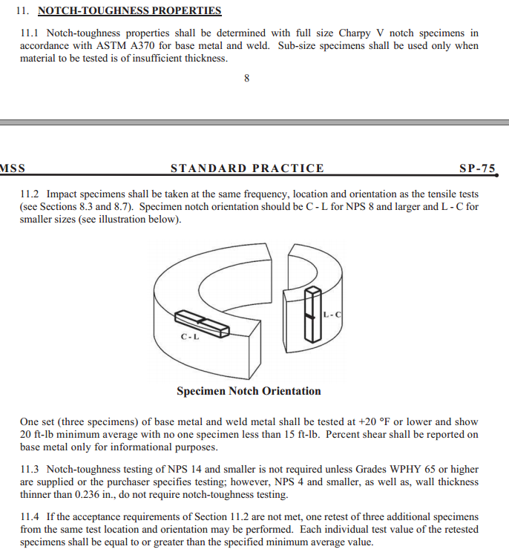
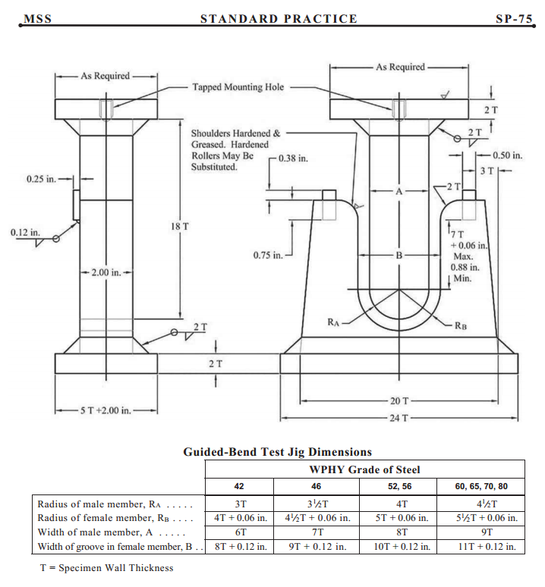

MECHANICAL PROPERTIES OF RED. TEE
Grade | Yield Strength Min, psi | Yield Strength Min, N/mm² | Tensile Strength Min, psi | Tensile Strength Min, N/mm² | Elongation (%) | Reduction of Area (%) | Hardness, maximum HBW | CVN Avarage | CVN Min | CVN Temp C
MSS SP-75 WPHY-42 | 42000 | 290 | 60000 | 415 | 25 |  | YOK |  |  | -7
MSS SP-75 WPHY-46 | 46000 | 315 | 63000 | 435 | 25 |  | YOK |  |  | -7
MSS SP-75 WPHY-52 | 52000 | 360 | 66000 | 455 | 25 |  | YOK |  |  | -7
MSS SP-75 WPHY-56 | 56000 | 385 | 71000 | 490 | 20 |  | YOK |  |  | -7
MSS SP-75 WPHY-60 | 60000 | 415 | 75000 | 515 | 20 |  | YOK |  |  | -7
MSS SP-75 WPHY-65 | 65000 | 450 | 77000 | 530 | 20 |  | YOK |  |  | -7
MSS SP-75 WPHY-70 | 70000 | 485 | 82000 | 565 | 18 |  | YOK |  |  | -7
MSS SP-75 WPHY-80 | 80000 | 550 | 90000 | 620 | 16 |  | YOK |  |  | -7

Flanş Seçim Aracı
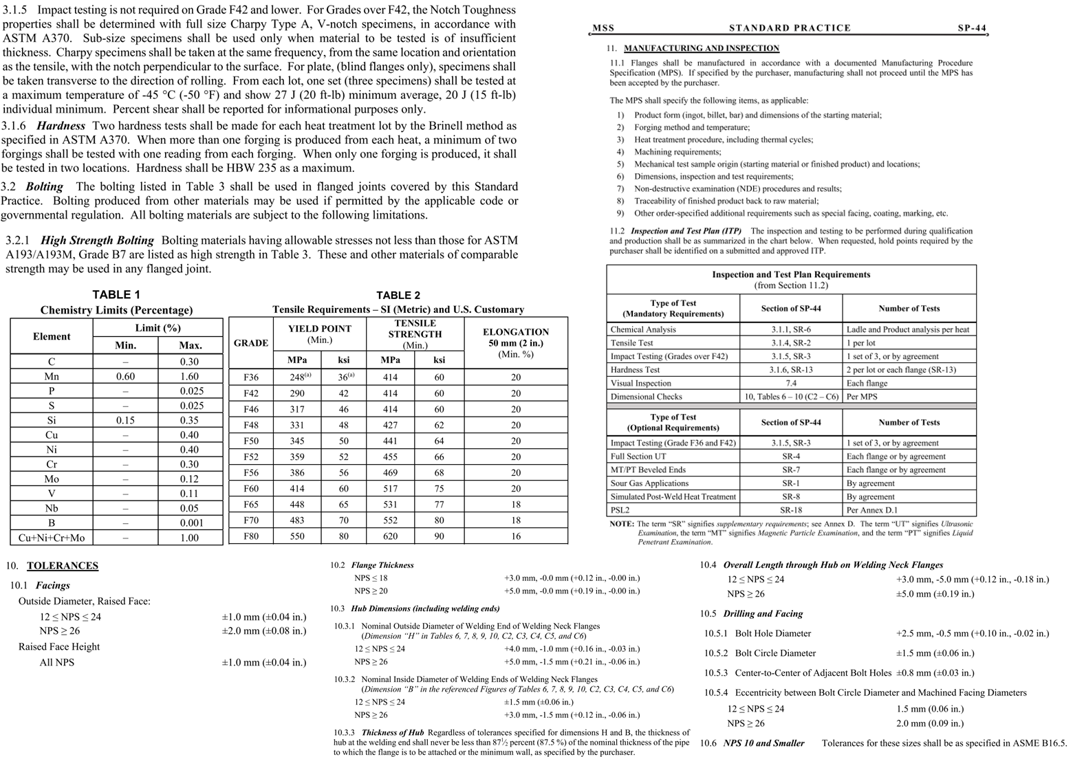
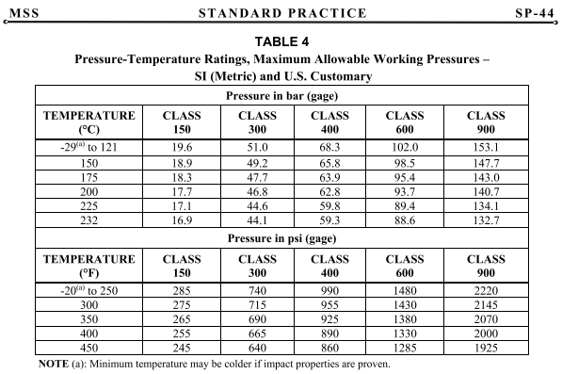
FİTTİNG | Çap(inch) | Çap(mm) | Class | Malzeme | Design Temp C | Malzeme Standardı | Üretim Standardı | Boyut Kontrol Standardı | Manuel Seçim Malzeme | Manuel Seçim Üretim ve Malzeme
FLANŞ | 4" |  |  |  | -28 |  |  |  | ASTM A182 F6a Class1 | MSS SP-44 F52
SAPLAMA / SOMUN |  |  |  |  | -28 | ASTM A 193 GR B7/ ASTM A 194 GR 2H | ASTM A 193 GR B7/ ASTM A 194 GR 2H
CONTA |  |  |  |  | -28 | ASME B 16.20
KÖR FLANŞ |  |  |  |  | -28 |  |  |  |  | MSS SP-44

Grade | C% | Mn% | Si% | S% | P% | Cr% | Ni% | Mo% | V% | Cu% | Nb% | N% | Other

Grade | C% | Mn% | Si% | S% | P% | Cr% | Ni% | Mo% | V% | Cu% | Nb% | N% | Other

Seçilen Flanş için Malzeme Standardı Mekanik Özellikler
Grade | Yield Strength Min, psi | Yield Strength Min, N/mm² | Tensile Strength Min, psi | Tensile Strength Min, N/mm² | Elongation (%) | Reduction of Area (%) | Hardness, maximum | CVN Avarage | CVN Min | CVN Temp C

Grade | Yield Strength Min, psi | Yield Strength Min, N/mm² | Tensile Strength Min, psi | Tensile Strength Min, N/mm² | Elongation (%) | Reduction of Area (%) | Hardness, maximum HBW | CVN Min avg. | CVN Min | CVN Temp. Celc.

Seçilen Flanş için Malzeme Standardı Mekanik Özellikler Manuel
Yield Strength Min, psi | Yield Strength Min, N/mm² | Tensile Strength Min, psi | Tensile Strength Min, N/mm² | Elongation (%) | Reduction of Area (%) | Hardness, maximum | CVN Avarage | CVN Min | CVN Temp C

Grade | Yield Strength Min, psi | Yield Strength Min, N/mm² | Tensile Strength Min, psi | Tensile Strength Min, N/mm² | Elongation (%) | Reduction of Area (%) | Hardness, maximum HBW | CVN Min avg. | CVN Min | CVN Temp. Celc.

Üretim Standardı | Malzeme Standardı | Class Asme B16.5 | Design Temp Asme B16.5 | Class MSS SP-44 | Design Temp MSS SP-44
MSS SP-44 F36 | ASTM A694 | 150 | -29 to 38 | 150 | -29 to121 |  | MSS Sp-44 Kimyasal Kompozisyon
MSS SP-44 F42 | ASTM A105 | 300 | 50 | 300 | 150 |  | Grade | C% | Mn% | Si% | S% | P% | Cr% | Ni% | Mo% | V% | Cu% | Nb% | N% | Other
MSS SP-44 F46 | ASTM A350 | 400 | 100 | 400 | 175 |  | MSS SP-44 F36 | 0.30 | 0.60/1.60 | 0.15/0.35 | 0.025 | 0.025 | 0.30 | 0.40 | 0.12 | 0.11 | 0.40 | 0.05 |  | Cu+Ni+Cr+Mo<1.00
MSS SP-44 F48 | ASTM A707 | 600 | 150 | 600 | 200 |  | MSS SP-44 F42 | 0.30 | 0.60/1.60 | 0.15/0.35 | 0.025 | 0.025 | 0.30 | 0.40 | 0.12 | 0.11 | 0.40 | 0.05 |  | Cu+Ni+Cr+Mo<1.00
MSS SP-44 F50 |  | 900 | 200 | 900 | 225 |  | MSS SP-44 F46 | 0.30 | 0.60/1.60 | 0.15/0.35 | 0.025 | 0.025 | 0.30 | 0.40 | 0.12 | 0.11 | 0.40 | 0.05 |  | Cu+Ni+Cr+Mo<1.00
MSS SP-44 F52 |  | 1500 | 250 |  | 232 |  | MSS SP-44 F48 | 0.30 | 0.60/1.60 | 0.15/0.35 | 0.025 | 0.025 | 0.30 | 0.40 | 0.12 | 0.11 | 0.40 | 0.05 |  | Cu+Ni+Cr+Mo<1.00
MSS SP-44 F56 |  | 2500 | 300 |  |  |  | MSS SP-44 F50 | 0.30 | 0.60/1.60 | 0.15/0.35 | 0.025 | 0.025 | 0.30 | 0.40 | 0.12 | 0.11 | 0.40 | 0.05 |  | Cu+Ni+Cr+Mo<1.00
MSS SP-44 F60 |  |  | 325 |  |  |  | MSS SP-44 F52 | 0.30 | 0.60/1.60 | 0.15/0.35 | 0.025 | 0.025 | 0.30 | 0.40 | 0.12 | 0.11 | 0.40 | 0.05 |  | Cu+Ni+Cr+Mo<1.00 | ASME B16.5 ve ASME B16.47
MSS SP-44 F65 |  |  | 350 |  |  |  | MSS SP-44 F56 | 0.30 | 0.60/1.60 | 0.15/0.35 | 0.025 | 0.025 | 0.30 | 0.40 | 0.12 | 0.11 | 0.40 | 0.05 |  | Cu+Ni+Cr+Mo<1.00 | C% | Mn% | Si% | S% | P% | Cr% | Ni% | Mo% | V% | Cu% | Nb% | N% | Other
MSS SP-44 F70 |  |  | 375 |  |  |  | MSS SP-44 F60 | 0.30 | 0.60/1.60 | 0.15/0.35 | 0.025 | 0.025 | 0.30 | 0.40 | 0.12 | 0.11 | 0.40 | 0.05 |  | Cu+Ni+Cr+Mo<1.00 | Standartta Yok | Standartta Yok | Standartta Yok | Standartta Yok | Standartta Yok | Standartta Yok | Standartta Yok | Standartta Yok | Standartta Yok | Standartta Yok | Standartta Yok | Standartta Yok | Standartta Yok
MSS SP-44 F80 |  |  | 400 |  |  |  | MSS SP-44 F65 | 0.30 | 0.60/1.60 | 0.15/0.35 | 0.025 | 0.025 | 0.30 | 0.40 | 0.12 | 0.11 | 0.40 | 0.05 |  | Cu+Ni+Cr+Mo<1.00
ASME B16.5 |  |  | 425 |  |  |  | MSS SP-44 F70 | 0.30 | 0.60/1.60 | 0.15/0.35 | 0.025 | 0.025 | 0.30 | 0.40 | 0.12 | 0.11 | 0.40 | 0.05 |  | Cu+Ni+Cr+Mo<1.00
ASME B16.47 |  |  | 450 |  |  |  | MSS SP-44 F80 | 0.30 | 0.60/1.60 | 0.15/0.35 | 0.025 | 0.025 | 0.30 | 0.40 | 0.12 | 0.11 | 0.40 | 0.05 |  | Cu+Ni+Cr+Mo<1.00 | Grade | Yield Strength Min, psi | Yield Strength Min, N/mm² | Tensile Strength Min, psi | Tensile Strength Min, N/mm² | Elongation (%) | Reduction of Area (%) | Hardness, maximum HBW | CVN Min avg. | CVN Min | CVN Temp. Celc.
 |  |  | 475 |  |  |  |  |  |  |  |  |  |  |  |  |  |  |  |  |  | Standartta Yok | Standartta Yok | Standartta Yok | Standartta Yok | Standartta Yok | Standartta Yok | Standartta Yok | Standartta Yok | Standartta Yok | Standartta Yok | Standartta Yok
 |  |  | 500
 |  |  | 538

 | MSS Sp-44 Mekanik Özellikler
 | Grade | Yield Strength Min, psi | Yield Strength Min, N/mm² | Tensile Strength Min, psi | Tensile Strength Min, N/mm² | Elongation (%) | Reduction of Area (%) | Hardness, maximum HBW | CVN Min avg. | CVN Min | CVN Temp. Celc.
 | MSS SP-44 F36 | 36000 | 248 | 60000 | 414 | 20 |  | 235
ASTM A694 F42 | MSS SP-44 F42 | 42000 | 290 | 60000 | 414 | 20 |  | 235
ASTM A694 F46 | MSS SP-44 F46 | 46000 | 317 | 60000 | 414 | 20 |  | 235 | 27 | 20 | -45
ASTM A694 F48 | MSS SP-44 F48 | 48000 | 331 | 62000 | 427 | 20 |  | 235 | 27 | 20 | -45
ASTM A694 F50 | MSS SP-44 F50 | 50000 | 345 | 64000 | 441 | 20 |  | 235 | 27 | 20 | -45
ASTM A694 F52 | MSS SP-44 F52 | 52000 | 359 | 66000 | 455 | 20 |  | 235 | 27 | 20 | -45
ASTM A694 F56 | MSS SP-44 F56 | 56000 | 386 | 68000 | 469 | 20 |  | 235 | 27 | 20 | -45
ASTM A694 F60 | MSS SP-44 F60 | 60000 | 414 | 75000 | 517 | 20 |  | 235 | 27 | 20 | -45
ASTM A694 F65 | MSS SP-44 F65 | 65000 | 448 | 77000 | 531 | 18 |  | 235 | 27 | 20 | -45
ASTM A694 F70 | MSS SP-44 F70 | 70000 | 483 | 80000 | 552 | 18 |  | 235 | 27 | 20 | -45
ASTM A694 F80 | MSS SP-44 F80 | 80000 | 550 | 90000 | 620 | 16 |  | 235 | 27 | 20 | -45
 |  | MSS SP-44 Pressure Temperature Ratings
 |  | Temperature © | 150 | 300 | 400 | 600 | 900
 |  |  | 19.6 | 51 | 68.3 | 102 | 153.1
 |  | 150 | 18.9 | 49.2 | 65.8 | 98.5 | 147.7
 |  | 175 | 18.3 | 47.7 | 63.9 | 95.4 | 143
 |  | 200 | 17.7 | 46.8 | 62.8 | 93.7 | 140.7
 |  | 225 | 17.1 | 44.6 | 59.8 | 89.4 | 134.1
 |  | 232 | 16.9 | 4.1 | 59.3 | 88.6 | 132.7

Forging Fittings
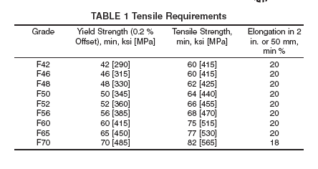
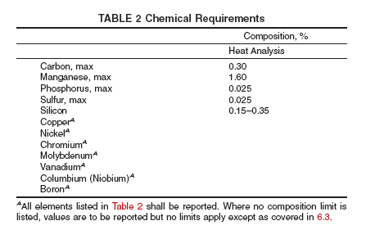
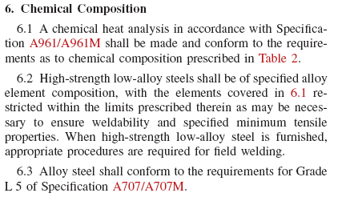

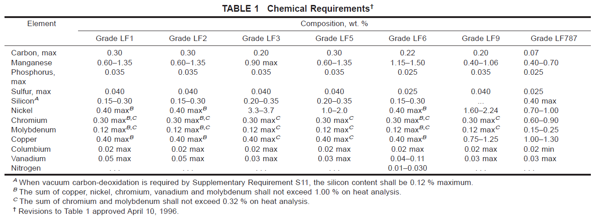

 |  |  |  | ASTM A694
 |  |  |  | Chemical Requirements
 |  |  |  | Composition, % | Carbon | Manganese | Sulfur | Silicon | Phosphorus2
 |  |  |  | Heat Analysis | 0.3 | 1.6 | 0.025 | 0,15-0,35 | 0.025
 |  |  |  | Product Analysis | 0.3 | 1.6 | 0.025 | 0,15-0,36 | 1.025

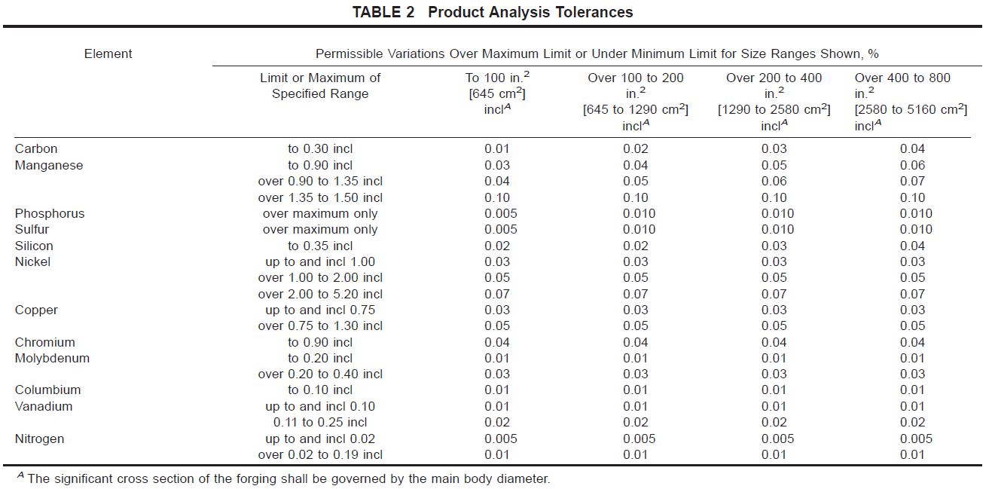
ASTM A694
Grade | Yield Strength (0.2% offset),min, psi | Yield Strength (0.2% offset),min Mpa | Tensile Strength, min, psi | Tensile Strength, min MPa | Elongation in 2 in, or 50 mm, min % |  |  |  |  |  |  |  |  |  |  |  |  |  |  |  |  |  |  |  | ASTM A350 Chemical Requirements
F42 | 42000 | 290 | 60000 | 415 | 20 |  |  |  |  |  |  |  |  |  |  |  |  |  |  |  |  |  |  |  | Sütun1 | Carbon | Manganese | Phosphorus | Sulfur | Silicon | Nickel | Chromium | Molybdenum | Copper | Columbium | Vanadium | Nitrogen
F46 | 46000 | 315 | 60000 | 415 | 20 |  |  |  |  |  |  |  |  |  |  |  |  |  |  |  |  |  |  |  | Grade LF1 | 0.30 | 0.60-1.35 | 0.035 | 0.040 | 0.2-0.30 | 0.40 | 0.30 | 0.12 | 0.40 | 0.02 | 0.05
F48 | 48000 | 330 | 62000 | 420 | 20 |  |  |  |  |  |  |  |  |  |  |  |  |  |  |  |  |  |  |  | Grade LF2 | 0.30 | 0.60-1.35 | 0.035 | 0.040 | 0.15-0.30 | 0.40 | 0.30 | 0.12 | 0.40 | 0.02 | 0.05
F50 | 50000 | 345 | 64000 | 440 | 20 |  |  |  |  |  |  |  |  |  |  |  |  |  |  |  |  |  |  |  | Grade LF3 | 0.20 | 0.90 | 0.035 | 0.040 | 0.20-0.35 | 3.3-3.7 | 0.30 | 0.12 | 0.40 | 0.02 | 0.03
F52 | 52000 | 360 | 66000 | 455 | 20 |  |  |  |  |  |  |  |  |  |  |  |  |  |  |  |  |  |  |  | Grade LF5 | 0.30 | 0.60-1.35 | 0.035 | 0.040 | 0.20-0.35 | 1.0-2.0 | 0.30 | 0.12 | 0.40 | 0.02 | 0.03
F56 | 56000 | 385 | 68000 | 470 | 20 |  |  |  |  |  |  |  | ASTM A105 | Yield |  | Tensile |  |  |  |  |  |  |  |  | Grade LF6 | 0.22 | 1.15-1.50 | 0.025 | 0.035 | 0.15-0.30 | 0.40 | 0.30 | 0.12 | 0.40 | 0.02 | 0.04-0.11 | 0.01-0.030
F60 | 60000 | 415 | 75000 | 515 | 20 |  |  |  |  |  |  |  | Grade | psi | Mpa | psi | Mpa |  |  |  |  |  |  |  | Grade LF9 | 0.20 | 0.40-1.06 | 0.040 | 0.040 |  | 1.60-2.24 | 0.30 | 0.12 | 0.75-1.25 | 0.02 | 0.03
F65 | 65000 | 450 | 77000 | 530 | 20 |  |  |  |  |  |  |  | A 105 | 36000 | 250 | 70000 | 485 |  |  |  |  |  |  |  | Grade LF787 | 0.07 | 0.40-0.70 | 0.025 | 0.025 | 0.40 | 0.70-1.00 | 0.60-0.90 | 0.15-0.25 | 1.00-1.30 | 0.02 min | 0.03
F70 | 70000 | 485 | 82000 | 565 | 18
 |  |  |  |  |  |  |  |  |  |  |  |  | ASTM A105 Chemical Requirements
 |  |  |  |  |  |  |  |  |  |  |  |  | Element | Carbon | Manganese | Phosphores | Sulfur | Silicon | Copper | Nickel | Chromium | Molybdenum | Vanadium | Columbium
 |  |  |  |  |  |  |  |  |  |  |  |  | Composition, % | 0.35 max | 0.60-1.05 | 0.035 max | 0.040 max | 0.10-0.35 | 0.40 max | 0.40 max | 0.30 max | 0.12 max | 0.05 max | 0.02 max

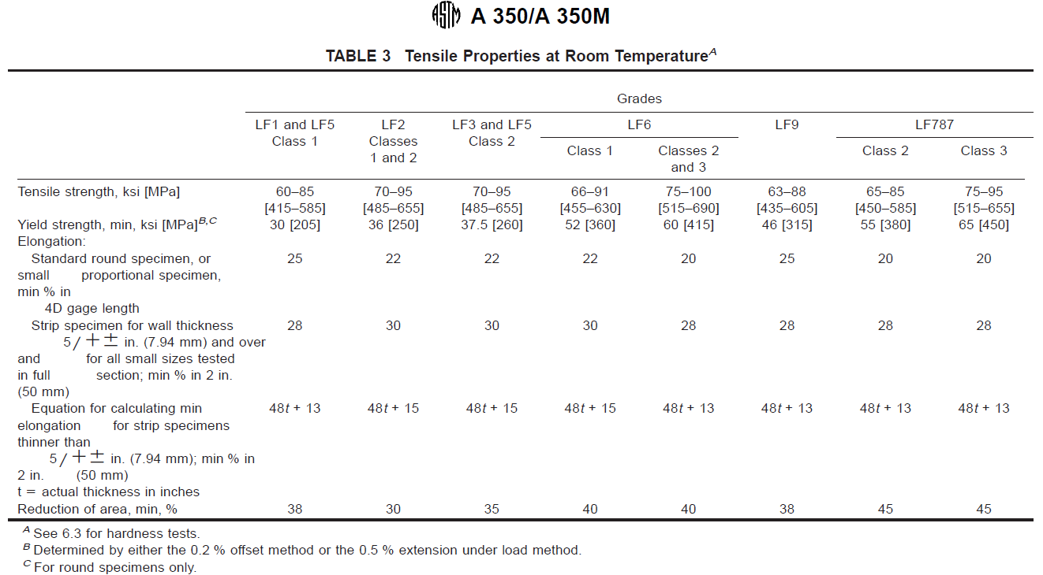
 |  |  |  |  |  |  |  |  |  |  |  |  |  |  |  |  |  |  |  |  |  |  |  |  | ASTM A350 Product Analysis Tolarances
 |  |  |  |  |  |  |  |  |  |  |  |  |  |  |  |  |  |  |  |  |  |  |  |  | Elemet | Limit or Max of Specified Range | to 100 in^2 (645 cm^2) | 100-200 in^2 ( 645-1290 m^2) | 200-400 in^2 (1290-2580^2) | 400-800 in^2 (2580-510 cm^2)
 |  |  |  |  |  |  |  |  |  |  |  |  |  |  |  |  |  |  |  |  |  |  |  |  | Carbon | 0.30 | 0.01 | 0.02 | 0.03 | 0.04
 |  |  |  |  |  |  |  |  |  |  |  |  |  |  |  |  |  |  |  |  |  |  |  |  | Manganese | 0.90 | 0.03 | 0.04 | 0.05 | 0.06
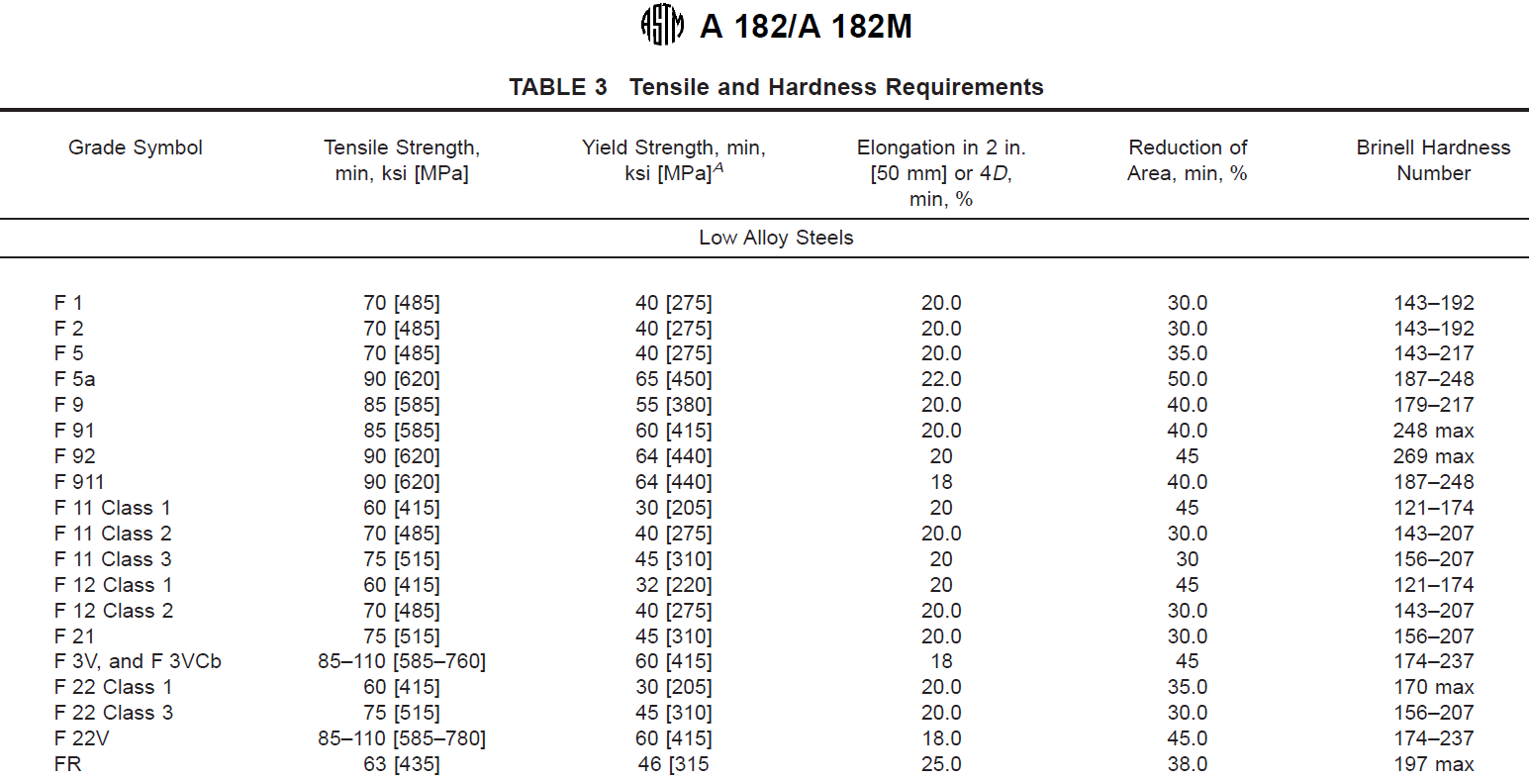
 |  |  |  |  |  |  |  |  |  |  |  |  |  |  |  |  |  |  |  |  |  |  |  |  |  | 0.90-1.35 | 0.04 | 0.05 | 0.06 | 0.07
 |  |  |  |  |  |  |  |  |  |  |  |  |  |  |  |  |  |  |  |  |  |  |  |  |  | 1.35-1.50 | 0.10 | 0.10 | 0.10 | 0.10
 |  |  |  |  |  |  |  |  |  |  |  |  |  |  |  |  |  |  |  |  |  |  |  |  | Phosphorus | over max | 0.005 | 0.010 | 0.010 | 0.010
 |  |  |  |  |  |  |  |  |  |  |  |  |  |  |  |  |  |  |  |  |  |  |  |  | Sulfur | over max | 0.005 | 0.010 | 0.010 | 0.010
 |  |  |  |  |  |  |  |  |  |  |  |  |  |  |  |  |  |  |  |  |  |  |  |  | Silicon | 0.35 | 0.02 | 0.02 | 0.03 | 0.04
 |  |  |  |  |  |  |  |  |  |  |  |  |  |  |  |  |  |  |  |  |  |  |  |  | Nickel | 1.00 | 0.03 | 0.03 | 0.03 | 0.03
 |  |  |  |  |  |  |  |  |  |  |  |  |  |  |  |  |  |  |  |  |  |  |  |  |  | 1.00-2.00 | 0.05 | 0.05 | 0.05 | 0.05
 |  |  |  |  |  |  |  |  |  |  |  |  |  |  |  |  |  |  |  |  |  |  |  |  |  | 2.00-5.20 | 0.07 | 0.07 | 0.07 | 0.07
 |  |  |  |  |  |  |  |  |  |  |  |  |  |  |  |  |  |  |  |  |  |  |  |  | Copper | 0.75 | 0.03 | 0.03 | 0.03 | 0.03
 |  |  |  |  |  |  |  |  |  |  |  |  |  |  |  |  |  |  |  |  |  |  |  |  |  | 0.75-1.30 | 0.05 | 0.05 | 0.05 | 0.05
 |  |  |  |  |  |  |  |  |  |  |  |  |  |  |  |  |  |  |  |  |  |  |  |  | Chromium | 0.90 | 0.04 | 0.04 | 0.04 | 0.04
 |  |  |  |  |  |  |  |  |  |  |  |  |  |  |  |  |  |  |  |  |  |  |  |  | Molybdenum | 0.20 | 0.01 | 0.01 | 0.01 | 0.01
 |  |  |  |  |  |  |  |  |  |  |  |  |  |  |  |  |  |  |  |  |  |  |  |  |  | 0.20-0.40 | 0.03 | 0.03 | 0.03 | 0.03
 |  |  |  |  |  |  |  |  |  |  |  |  |  |  |  |  |  |  |  |  |  |  |  |  | Columbium | 0.10 | 0.01 | 0.01 | 0.01 | 0.01
 |  |  |  |  |  |  |  |  |  |  |  |  |  |  |  |  |  |  |  |  |  |  |  |  | Vanadium | 0.10 | 0.01 | 0.01 | 0.01 | 0.01
 |  |  |  |  |  |  |  |  |  |  |  |  |  |  |  |  |  |  |  |  |  |  |  |  |  | 0.11-0.25 | 0.02 | 0.02 | 0.02 | 0.02
 |  |  |  |  |  |  |  |  |  |  |  |  |  |  |  |  |  |  |  |  |  |  |  |  | Nitrogen | 0.02 | 0.005 | 0.005 | 0.005 | 0.005
 |  |  |  |  |  |  |  |  |  |  |  |  |  |  |  |  |  |  |  |  |  |  |  |  |  | 0.02-0.19 | 0.01 | 0.01 | 0.01 | 0.01

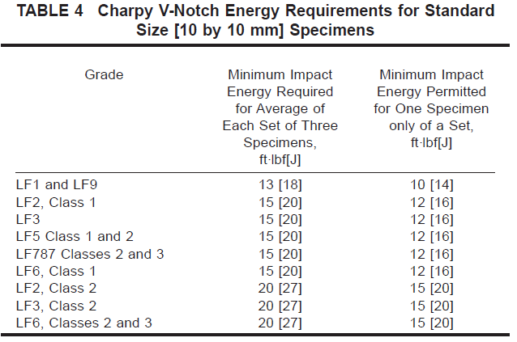
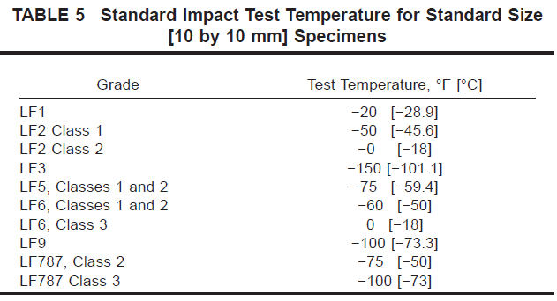
 |  |  |  |  |  |  |  |  |  |  |  |  |  |  |  |  |  |  |  |  |  |  |  |  | A350 Tensile Proporties at Room Temperature |  |  | LF1 and LF5 Class 1 | LF2 Classes 1 and 2 | LF3 and LF5 Class 2 | LF6 |  | LF9 | LF787
 |  |  |  |  |  |  |  |  |  |  |  |  |  |  |  |  |  |  |  |  |  |  |  |  |  |  |  |  |  |  | Class 1 | Class 2 and Class 3 |  | Class 2 | Class 3
 |  |  |  |  |  |  |  |  |  |  |  |  |  |  |  |  |  |  |  |  |  |  |  |  |  | Tensile | ksi | 60-85 | 70-95 | 70-95 | 66-91 | 75-100 | 63-88 | 65-85 | 75-95
 |  |  |  |  |  |  |  |  |  |  |  |  |  |  |  |  |  |  |  |  |  |  |  |  |  |  | Mpa | 415-585 | 485-655 | 485-655 | 455-630 | 515-690 | 435-605 | 435-585 | 515-655
 |  |  |  |  |  |  |  |  |  |  |  |  |  |  |  |  |  |  |  |  | Elements | Limit or Max of Specified Range, % |  | Tolarance Over the Max Limit or Under the Min Limit |  | Yield | ksi | 30 | 36 | 37.5 | 52 | 60 | 46 | 55 | 65
 |  |  |  |  |  |  |  |  |  |  | Grade Symbol | Yield (ksi) | Yield (Mpa) | Tensile (ksi) | Tensile (Mpa) | Elongation | Reduction of Area min % | Brinell Hardness |  |  |  |  |  |  |  |  | MPa | 250 | 250 | 260 | 360 | 415 | 315 | 380 | 450
 |  |  |  |  |  |  |  |  |  | Low Alloy Steels | F1 | 40 | 275 | 70 | 485 | 20 | 30 | 143-192 |  |  |  |  |  |  |  | Elongation: Standard round specimen |  | 25 | 22 | 22 | 22 | 20 | 25 | 20 | 20
 |  |  |  |  |  |  |  |  |  |  | F2 | 40 | 275 | 70 | 485 | 20 | 30 | 143-192 |  |  | Carbon | 0.03 |  | 0.005 |  | Strip Specimen for wall thickness>7,94mm |  | 28 | 30 | 30 | 30 | 28 | 28 | 28 | 28
 |  |  |  |  |  |  |  |  |  |  | F5 | 40 | 275 | 70 | 485 | 20 | 35 | 143-217 |  |  |  | 0,030-0,20 |  | 0.01 |  | Equation trip Specimen for wall thickness<7,94mm |  | 48t+13 | 48t+15 | 48t+15 | 48t+15 | 48t+13 | 48t+13 | 48t+13 | 48t+13
 |  |  |  |  |  |  |  |  |  |  | F5a | 65 | 450 | 90 | 620 | 22 | 50 | 187-248 |  |  | Manganese | 1 |  | 0.03 |  | Reduction of Area min % |  | 38 | 30 | 35 | 40 | 40 | 38 | 45 | 45
 |  |  |  |  |  |  |  |  |  |  | F9 | 55 | 380 | 85 | 585 | 20 | 40 | 179-217 |  |  |  | 1,00-3,00 |  | 0.04
 |  |  |  |  |  |  |  |  |  |  | F91 | 60 | 415 | 85 | 585 | 20 | 40 | 248 |  |  |  | 3,00-6,00 |  | 0.05
 |  |  |  |  |  |  |  |  |  |  | F92 | 64 | 440 | 90 | 620 | 20 | 45 | 269 |  |  |  | 6,00-10,00 |  | 0.06
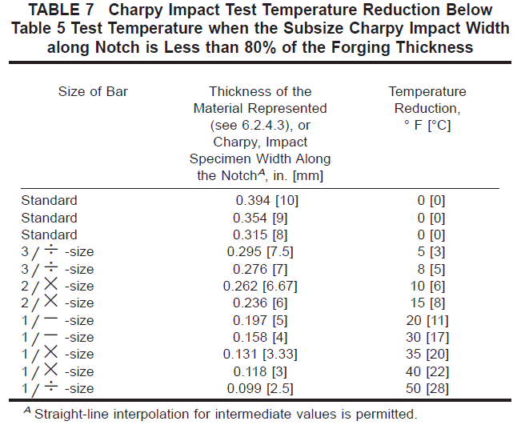
 |  |  |  |  |  |  |  |  |  |  | F911 | 64 | 440 | 90 | 620 | 18 | 40 | 187-248 |  |  | Phosphorus | 0.04 |  | 0.005 |  | Table 5 |  |  |  | Charpy V-Notch Energy Requirements for Standard Size Specimes
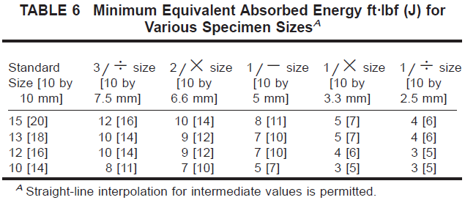
 |  |  |  |  |  |  |  |  |  |  | F11 Class1 | 30 | 205 | 60 | 415 | 20 | 45 | 121-174 |  |  | Sulfur | 0.03 |  | 0.005 |  | Grade | Test Temperature F | Test Temperature C |  | Grade | Minimum İmpact Energy Required for Average of Each Set of Three Specimensft.lb | Minimum İmpact Energy Required for Average of Each Set of Three SpecimensJ | Minimum İmpact Energy Permited for One Specimen only of a Set ft.lb | Minimum İmpact Energy Permited for One Specimen only of a Set J
 |  |  |  |  |  |  |  |  |  |  | F11 Class2 | 40 | 275 | 70 | 485 | 20 | 30 | 143-207 |  |  | Silicon | 1 |  | 0.05 |  | LF1 | -20 | -28.9 |  | LF1 and LF9 | 13 | 18 | 10 | 14
 |  |  |  |  |  |  |  |  |  |  | F11 Class3 | 45 | 310 | 75 | 515 | 20 | 30 | 156-207 |  |  |  | 1,00-5,00 |  | 0.1 |  | LF2 Class 1 |  | -45.6 |  | LF2, Class 1 | 15 | 20 | 12 | 16
 |  |  |  |  |  |  |  |  |  |  | F12 Class1 | 32 | 220 | 60 | 415 | 20 | 45 | 174-237 |  |  | Chromium | 4,00-10,00 |  | 0.1 |  | LF2 Class 2 | 0 | -18 |  | LF3 | 15 | 20 | 12 | 16
 |  |  |  |  |  |  |  |  |  |  | F12 Class2 | 40 | 275 | 70 | 485 | 20 | 30 | 170 |  |  |  | 10,00-15,00 |  | 0.15 |  | LF3 | -150 | -101.1 |  | LF5, Class 1 and 2 | 15 | 20 | 12 | 16
 |  |  |  |  |  |  |  |  |  |  | F21 | 45 | 310 | 75 | 515 | 20 | 30 | 156-207 |  |  |  | 15,00-20,00 |  | 0.2 |  | LF5, Classes 1 and 2 | -75 | -59.4 |  | LF787 Classes 2 and 3 | 15 | 20 | 12 | 16
 |  |  |  |  |  |  |  |  |  |  | F3V and F 3VCb | 60 | 415 | 85-110 | 585-760 | 18 | 45 | 174-237 |  |  |  | 20,00-27,50 |  | 0.25 |  | LF6, Classes 1 and 2 | -60 | -50 |  | LF6, Class 1 | 15 | 20 | 12 | 16
 |  |  |  |  |  |  |  |  |  |  | F22 Class1 | 30 | 205 | 60 | 415 | 20 | 35 | 170 |  |  | Nickel | 1 |  | 0.03 |  | LF6 Class 3 | 0 | -18 |  | LF2, Class 2 | 20 | 27 | 15 | 20
 |  |  |  |  |  |  |  |  |  |  | F22 Class3 | 45 | 310 | 75 | 515 | 20 | 30 | 156-207 |  |  |  | 1,00-5,00 |  | 0.07 |  | LF9 | -100 | -73.3 |  | LF3, Class 2 | 20 | 27 | 15 | 20
 |  |  |  |  |  |  |  |  |  |  | F22V | 60 | 415 | 85-110 | 585-780 | 18 | 45 | 174-237 |  |  |  | 5,00-10,00 |  | 0.1 |  | LF787 Class 2 | -75 | -50 |  | LF6, Classes 2 and 3 | 20 | 27 | 15 | 20
 |  |  |  |  |  |  |  |  |  |  | FR | 46 | 315 | 63 | 435 | 25 | 38 | 197 |  |  |  | 10,00-20,00 |  | 0.15 |  | LF787 Class 3 | -100 | -73 |  | Table 7
 |  |  |  |  |  |  |  |  |  | Martensitic Stainless Steels | F6a Class1 | 40 | 275 | 70 | 485 | 18 | 35 | 143-207 |  |  |  | 20,00-22,00 |  | 0.2 |  |  |  |  |  | Size of Bar | Thickness of the Material (in) | Thickness of the Material (mm) | Temperature Reduction (F) | Temperature Reduction (C)
 |  |  |  |  |  |  |  |  |  |  | F6a Class2 | 55 | 380 | 85 | 585 | 18 | 35 | 167-229 |  |  | Molybdenum | 0.2 |  | 0.01 |  | Minimum Equivalent Absorbed Energy |  |  |  | Standard | 394 | 10 | 0 | 0
 |  |  |  |  |  |  |  |  |  |  | F6a Class3 | 85 | 585 | 110 | 760 | 15 | 35 | 235-302 |  |  |  | 0,2-0,6 |  | 0.03 |  | Standard Size (ft.lbf) | Standard Size (J) |  |  | Standard | 0.354 | 9 | 0 | 0
 |  |  |  |  |  |  |  |  |  |  | F 6a Class4 | 110 | 760 | 130 | 895 | 12 | 35 | 263-321 |  |  |  | 0,6-2 |  | 0.05 |  | 15 | 20 |  |  | Standard | 0.325 | 8 | 0 | 0
 |  |  |  |  |  |  |  |  |  |  | F6b | 90 | 620 | 110-135 | 760-930 | 16 | 45 | 235-285 |  |  |  | 2,00-7,00 |  | 0.1 |  | 13 | 18 |  |  | 3/% size | 0.295 | 7.5 | 5 | 3
 |  |  |  |  |  |  |  |  |  |  | F6NM | 90 | 620 | 115 | 790 | 15 | 45 | 295 |  |  | Titanium | All Ranges |  | 0.05 |  | 12 | 16 |  |  | 3/% size | 0.276 | 7 | 8 | 5
 |  |  |  |  |  |  |  |  |  | Feritic Stainless Steels | FXM-27Cb | 35 | 240 | 60 | 415 | 20 | 45 | 190 |  |  | Columbium-tantalum | All Ranges |  | 0.05 |  | 10 | 14 |  |  | 2/X size | 0.262 | 6.67 | 10 | 6
 |  |  |  |  |  |  |  |  |  |  | F429 | 35 | 240 | 60 | 415 | 20 | 45 | 190 |  |  | Tantalum | 0.1 |  | 0.02 |  |  |  |  |  | 2/X size | 0.236 | 6 | 15 | 8
 |  |  |  |  |  |  |  |  |  |  | F430 | 35 | 240 | 60 | 415 | 20 | 45 | 190 |  |  | Cobalt | 0,05-0,2 |  | 0.01 |  | Table 8 |  |  |  | 1/- size | 0.197 | 5 | 20 | 11
 |  |  |  |  |  |  |  |  |  | Austenitic Stainless Steels | F304 | 30 | 205 | 75 | 515 | 30 | 50 |  |  |  | Nitrogen | 0.19 |  | 0.01 |  | Grade | Max Test Temperature (F) | Max Test Temperature © |  | 1/- size | 0.158 | 4 | 30 | 17
 |  |  |  |  |  |  |  |  |  |  | F304H | 30 | 205 | 75 | 515 | 30 | 50 |  |  |  |  | 0,19-0,25 |  | 0.02 |  | LF1 | -10 | -23 |  | 1/X size | 0.131 | 3.3 | 35 | 20
 |  |  |  |  |  |  |  |  |  |  | F304L | 25 | 170 | 70 | 485 | 30 | 50 |  |  |  |  | 0,25-0,35 |  | 0.03 |  | LF2 Class 1 | -35 | -37 |  | 1/X size | 0.118 | 3 | 40 | 22
 |  |  |  |  |  |  |  |  |  |  | F304N | 35 | 240 | 80 | 550 | 30 | 50 |  |  |  |  | 0,35-0,45 |  | 0.04 |  | LF3 | -125 | -87 |  | 1/% size | 0.099 | 2.5 | 50 | 28
 |  |  |  |  |  |  |  |  |  |  | F304LN | 30 | 205 | 75 | 515 | 30 | 50 |  |  |  |  | 0,45-0,60 |  | 0.05 |  | LF5, Classes 1 and 2 | -60 | -51 |  | Table 9
 |  |  |  |  |  |  |  |  |  |  | F309H | 30 | 205 | 75 | 515 | 30 | 50 |  |  |  | Colimbium | 0,05-0,2 |  | 0.01 |  | LF6, Classes 1 and 2 | -40 | -40 |  | Grade | Max Thickness Less Than or Equal to 2 in | Max Thickness Greater Than 2 in
 |  |  |  |  |  |  |  |  |  |  | F310 | 37 | 255 | 75 | 515 | 30 | 50 |  |  |  | Aluminum | 0.05 |  | 0.01 |  | LF9 | -80 | -62
 |  |  |  |  |  |  |  |  |  |  | F310MoLn | 30 | 205 | 78 | 540 | 25 | 40 |  |  |  | Vanadium | 0.1 |  | 0.01 |  | LF787 Class 2 | -60 | -51 |  | LF1 | 0.45 | 0.46
 |  |  |  |  |  |  |  |  |  |  | F310H | 30 | 205 | 75 | 515 | 30 | 50 |  |  |  |  | 0,1-0,25 |  | 0.02 |  | LF787 Class 3 | -80 | -62 |  | LF2 | 0.47 | 0.48
 |  |  |  |  |  |  |  |  |  |  | F316 | 30 | 205 | 75 | 515 | 30 | 50 |  |  |  | Cerium | 0,03-0,08 |  | -0.005 |  |  |  |  |  | LF6 CL1 | 0.45 | 0.46
 |  |  |  |  |  |  |  |  |  |  | F316H | 25 | 170 | 75 | 515 | 30 | 50 |  |  |  |  |  |  | 0.01 |  |  |  |  |  | LF6 CL2 | 0.47 | 0.48
 |  |  |  |  |  |  |  |  |  |  | F316L | 35 | 240 | 70 | 485 | 30 | 50 |  |  |  | Tungsten | 1 |  | 0.04
 |  |  |  |  |  |  |  |  |  |  | F316N | 30 | 205 | 80 | 550 | 30 | 50 |  |  |  | Copper | 1 |  | 0.03
 |  |  |  |  |  |  |  |  |  |  | F316LN | 30 | 205 | 75 | 515 | 30 | 50
 |  |  |  |  |  |  |  |  |  |  | F317 | 25 | 170 | 75 | 515 | 30 | 50
 |  |  |  |  |  |  |  |  |  |  | F317L | 30 | 205 | 70 | 485 | 30 | 50
 |  |  |  |  |  |  |  |  |  |  | F347 | 30 | 205 | 75 | 515 | 30 | 50
 |  |  |  |  |  |  |  |  |  |  | F347H | 30 | 205 | 75 | 515 | 30 | 50
 |  |  |  |  |  |  |  |  |  |  | F348 | 30 | 205 | 75 | 515 | 30 | 50
 |  |  |  |  |  |  |  |  |  |  | F348H | 30 | 205 | 75 | 515 | 30 | 50
 |  |  |  |  |  |  |  |  |  |  | F321 | 30 | 205 | 75 | 515 | 30 | 50
 |  |  |  |  |  |  |  |  |  |  | F321H | 30 | 205 | 75 | 515 | 30 | 50
 |  |  |  |  |  |  |  |  |  |  | FXM-11 | 50 | 345 | 90 | 620 | 45 | 60
 |  |  |  |  |  |  |  |  |  |  | FXM-19 | 55 | 380 | 100 | 690 | 35 | 55
 |  |  |  |  |  |  |  |  |  |  | F10 | 30 | 205 | 80 | 550 | 30 | 50
 |  |  |  |  |  |  |  |  |  |  | F20 | 35 | 240 | 80 | 550 | 30 | 50
 |  |  |  |  |  |  |  |  |  |  | F44 | 44 | 300 | 94 | 650 | 35 | 50
 |  |  |  |  |  |  |  |  |  |  | F45 | 45 | 310 | 87 | 600 | 40 | 50
 |  |  |  |  |  |  |  |  |  |  | F46 | 35 | 240 | 78 | 540 | 40 | 50
 |  |  |  |  |  |  |  |  |  |  | F47 | 30 | 205 | 75 | 515 | 40 | 50
 |  |  |  |  |  |  |  |  |  |  | F48 | 35 | 240 | 80 | 550 | 40 | 50
 |  |  |  |  |  |  |  |  |  |  | F49 | 60 | 415 | 115 | 795 | 35 | 40
 |  |  |  |  |  |  |  |  |  |  | F56 | 27 | 185 | 73 | 500 | 30 | 35
 |  |  |  |  |  |  |  |  |  |  | F58 | 45 | 310 | 95 | 655 | 30 | 50
 |  |  |  |  |  |  |  |  |  | Ferritic-Austenitic Stainless Steels | F60 | 65 | 450 | 100-130 | 690-900 | 25 | 50
 |  |  |  |  |  |  |  |  |  |  | F51 | 65 | 450 | 90 | 620 | 25 | 45
 |  |  |  |  |  |  |  |  |  |  | F50 | 70 | 485 | 100 | 690 | 15
 |  |  |  |  |  |  |  |  |  |  | F53 | 80 | 550 | 116 | 800 | 15 |  | 310
 |  |  |  |  |  |  |  |  |  |  | F54 | 80 | 550 | 116 | 800 | 15 | 30 | 310
 |  |  |  |  |  |  |  |  |  |  | F55 | 80 | 550 | 109-130 | 750-895 | 25 | 45
 |  |  |  |  |  |  |  |  |  |  | F57 | 85 | 585 | 118 | 820 | 25 | 50
 |  |  |  |  |  |  |  |  |  |  | F59 | 80 | 550 | 112 | 770 | 25 | 40
 |  |  |  |  |  |  |  |  |  |  | F60 | 65 | 450 | 90 | 620 | 25 | 45
 |  |  |  |  |  |  |  |  |  |  | F61 | 80 | 550 | 109 | 750 | 25 | 50

Wrought Fittings
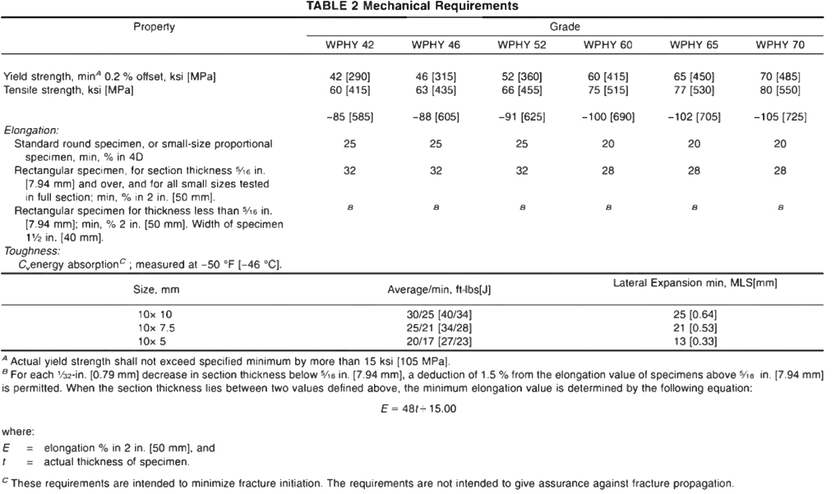
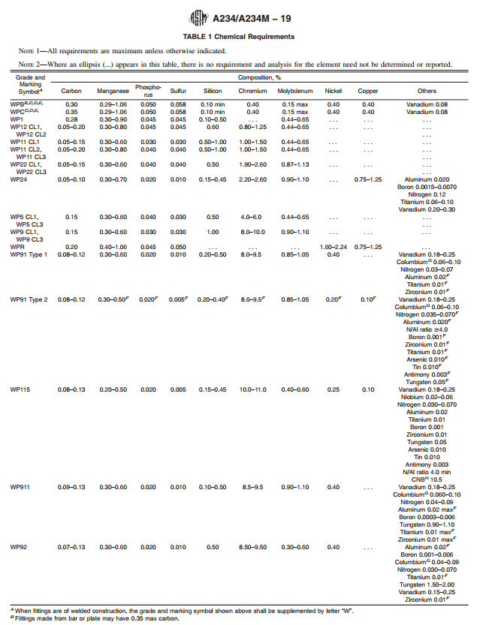
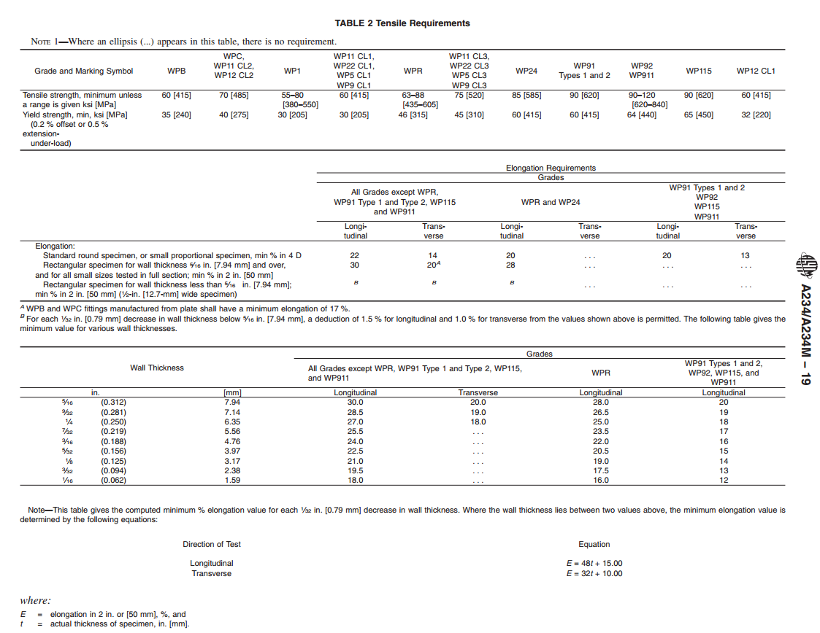
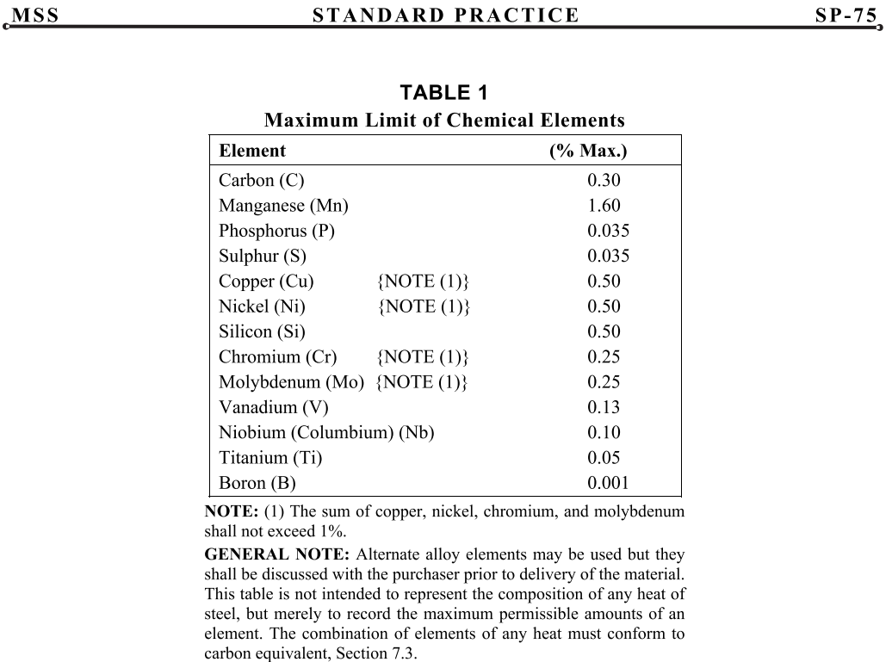
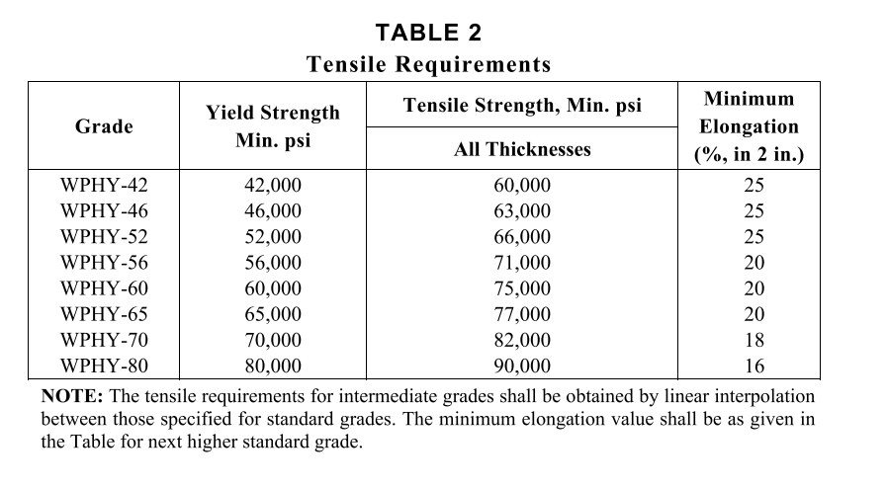
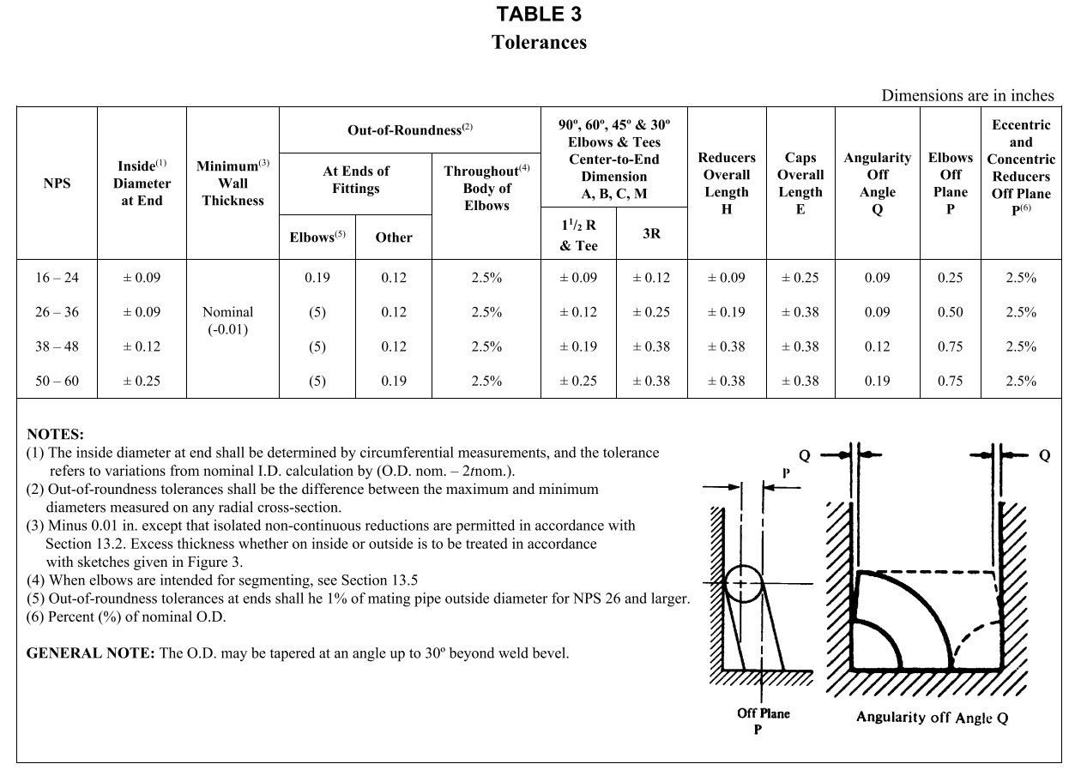
 |  |  |  |  |  |  |  |  |  |  |  |  |  |  |  |  | ASTM A 234 | Yield Strength, min.
 |  |  |  |  |  |  |  |  |  |  |  |  |  |  |  |  | ASTM A 234 Grade | Yield Strength, min. (psi) | Yield Strength, min. (Mpa)
 |  |  |  |  |  |  |  |  |  |  |  |  |  |  |  |  | WPB | 35000
 |  |  |  |  |  |  |  |  |  |  |  |  |  |  |  |  | WPC | 40000
 |  |  |  |  |  |  |  |  |  |  |  |  |  |  |  |  | WP1 | 30000
 |  |  |  |  |  |  |  |  |  |  |  |  |  |  |  |  | WP11 CL1 | 30000
 |  |  |  |  |  |  |  |  |  |  |  |  |  |  |  |  | WP11 CL2 | 40000 | 276
 |  |  |  |  |  |  |  |  |  |  |  |  |  |  |  |  | WP22 CL1 | 30000
 |  |  |  |  |  |  |  |  |  |  |  |  |  |  |  |  | WP5 | 30000
 |  |  |  |  |  |  |  |  |  |  |  |  |  |  |  |  | WP9 | 30000
 |  |  |  |  |  |  |  |  |  |  |  |  |  |  |  |  | WP11 CL2 | 40000
 |  |  |  |  |  |  |  |  |  |  |  |  |  |  |  |  | WP22 CL2 | 40000
 |  |  |  |  |  |  |  |  |  |  |  |  |  |  |  |  | WPR | 46000
 |  |  |  |  |  |  |  |  |  |  |  |  |  |  |  |  | WP11 CL3 | 45000
 |  |  |  |  |  |  |  |  |  |  |  |  |  |  |  |  | WP22 CL3 | 45000
 |  |  |  |  |  |  |  |  |  |  |  |  |  |  |  |  | WP91 | 60000
 |  |  |  |  |  |  |  |  |  |  |  |  |  |  |  |  | WP911 | 64000
 |  |  |  |  |  |  |  |  |  |  |  |  |  |  |  |  | WP12 CL1 | 32000
ASTM A860/ 860M | Yield Strength, min. |  | Tensile Strength |  | Elongation, min. | Cv, avg./min.
Grade | Yield Strength, min. (psi) | Yield Strength, min. (Mpa) | Tensile Strength (ksi) | Tensile Strength (Mpa) | Elongation, min. % | Cv, avg./min. (ft*lbs) | Cv, avg./min. (J) | Cv Temp ©
WPHY 42 | 42000 | 290 | 60-85 | 415-585 | 32 | 30/25 | 40/34 | -46
WPHY 46 | 46000 | 315 | 63-88 | 435-605 | 32 | 30/25 | 40/34 | -46
WPHY 52 | 52000 | 360 | 66-91 | 455-625 | 32 | 30/25 | 40/34 | -46
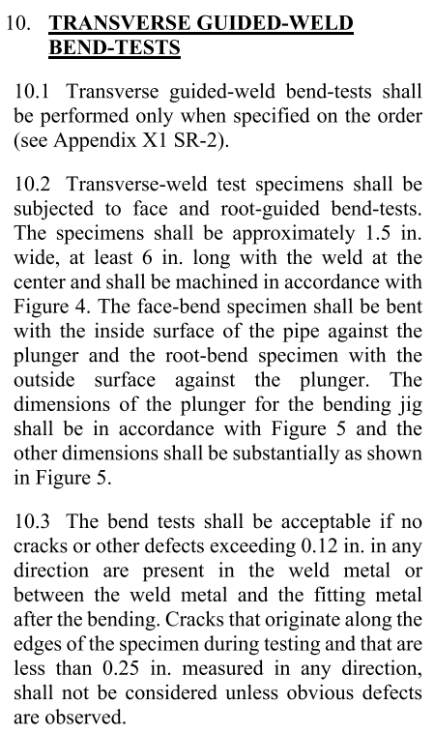
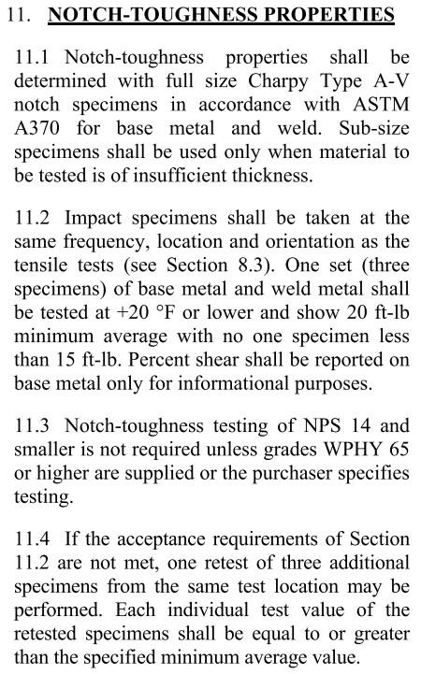
WPHY60 | 60000 | 415 | 75-100 | 515-690 | 28 | 30/25 | 40/34 | -46
WPHY 65 | 65000 | 450 | 77-102 | 530-705 | 28 | 30/25 | 40/34 | -46
WPHY 70 | 70000 | 485 | 80-105 | 550-725 | 28 | 30/25 | 40/34 | -46

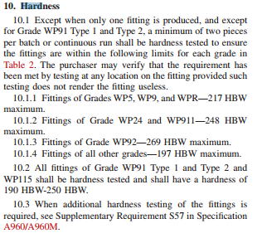
The Chemical Composition of ASTM A860, %
Carbon | Manganese | Silicon | Sulfur | Phosphorus | Chromium | Nickel | Molybdenum | Vanadium | Copper | Titanium | Columbium | Vanadium plus Columnium | Aluminum
≤0.20*A | 1.00-1.45 | 0.15-0.40*B | ≤0.010 | ≤0.030 | ≤0.30*C | ≤0.50*C | ≤0.25*C | ≤0.10 | ≤0.35*C | ≤0.05 | ≤0.04 | ≤0.12 | ≤0.06

CHEMICAL COMPOSITION ASTM A234-A860 | C% | Mn% | Si% | S% | P% | Cr% | Ni% | Mo% | V% | Cu% | Columbium % | Al % | Other | MECHANICAL PROPERTIES ASTM A234-A860 | Yield Strength Min, psi | Yield Strength Min, N/mm² | Tensile Strength Min, psi | Tensile Strength Min, N/mm² | Elongation (%) | Reduction of Area (%) | Hardness, maximum HBW | CVN Avarage | CVN Min | CVN Temp C
ASTM A234 WPB | 0.3 | 0,29-1,06 | 0,10 min | 0.058 | 0.05 | 0.4 | 0.4 | 0.15 | 0.08 | 0.4 | 0.02 |  |  | ASTM A234 WPB | 35000 | 240 | 60000 | 415 | 22-30 |  | 197 | Değer Yok | Değer Yok | Değer Yok
ASTM A234 WPC | 0.35 | 0,29-1,07 | 0,10 min | 0.058 | 0.05 | 0.4 | 0.4 | 0.15 | 0.08 | 0.4 | 0.02 |  |  | ASTM A234 WPC | 40000 | 275 | 70000 | 485 | 30 |  | 197 | Değer Yok | Değer Yok | Değer Yok
ASTM A234 WP1 | 0.28 | 0,30-0,90 | 0,10-0,50 | 0.45 | 0.045 |  |  | 0,44-0,65 |  |  |  |  |  | ASTM A234 WP1 | 30000 | 205 | 55000-80000 | 380-550 | 30 |  | 197 | Değer Yok | Değer Yok | Değer Yok
ASTM A234 WP11 CL1 | 0,05-0,15 | 0,30-0,60 | 0,50-1,00 | 0.03 | 0.03 | 1,00-1,50 |  | 0,44-0,65 |  |  |  |  |  | ASTM A234 WP11 CL1 | 30000 | 205 | 60000 | 415 | 30 |  | 197 | Değer Yok | Değer Yok | Değer Yok
ASTM A234 WP11 CL2 | 0,05-0,20 | 0,30-0,80 | 0,50-1,00 | 0.04 | 0.04 | 1,00-1,50 |  | 0,44-0,65 |  |  |  |  |  | ASTM A234 WP11 CL2 | 40000 | 275 | 70000 | 485 | 30 |  | 197 | Değer Yok | Değer Yok | Değer Yok
ASTM A234 WP22 CL1 | 0,05-0,15 | 0,30-0,60 | 0.5 | 0.04 | 0.04 | 1,90-2,60 |  | 0,87-1,13 |  |  |  |  |  | ASTM A234 WP22 CL1 | 30000 | 205 | 60000 | 415 | 30 |  | 197 | Değer Yok | Değer Yok | Değer Yok
ASTM A234 WP5 CL1 | 0.15 | 0,30-0,60 | 0.5 | 0.03 | 0.04 | 4,00-6,00 |  | 0,44-0,65 |  |  |  |  |  | ASTM A234 WP5 CL1 | 30000 | 205 | 60000 | 415 | 30 |  | 217 | Değer Yok | Değer Yok | Değer Yok
ASTM A234 WP9 CL1 | 0.15 | 0,30-0,60 | 0,25-1,00 | 0.03 | 0.03 | 8,00-10,00 |  | 0,90-1,10 |  |  |  |  |  | ASTM A234 WP9 CL1 | 30000 | 205 | 60000 | 415 | 30 |  | 217 | Değer Yok | Değer Yok | Değer Yok
ASTM A234 WP12 CL2 | 0,05-0,20 | 0,30-0,80 | 0.6 | 0.45 | 0.45 | 0,80-1,25 |  | 0,44-0,65 |  |  |  |  |  | ASTM A234 WP12 CL2 | 40000 | 275 | 70000 | 485 | 30 |  | 197 | Değer Yok | Değer Yok | Değer Yok
ASTM A234 WPR | 0.2 | 0,40-1,06 |  | 0.5 | 0.045 |  | 1,60-2,24 |  |  | 0,75-1,25 |  |  |  | ASTM A234 WPR | 46000 | 310 | 63000-88000 | 435-605 | 28 |  | 217 | Değer Yok | Değer Yok | Değer Yok
ASTM A234 WP11 CL3 | 0,05-0,20 | 0,30-0,80 | 0,50-1,00 | 0.04 | 0.04 | 1,00-1,50 |  | 0,44-0,65 |  |  |  |  |  | ASTM A234 WP11 CL3 | 45000 | 310 | 75000 | 520 | 30 |  | 197 | Değer Yok | Değer Yok | Değer Yok
ASTM A234 WP22 CL3 | 0,05-0,15 | 0,30-0,60 | 0.5 | 0.04 | 0.04 | 1,90-2,60 |  | 0,87-1,13 |  |  |  |  |  | ASTM A234 WP22 CL3 | 45000 | 310 | 75000 | 520 | 30 |  | 197 | Değer Yok | Değer Yok | Değer Yok
ASTM A234 WP91 Type1 | 0,08-0,12 | 0,30-0,60 | 0,20-0,50 | 0.01 | 0.02 | 8,0-9,5 | 0.4 | 0,85-1,05 | 0,18-0,25 |  | 0,06-0,10 | 0.04 | 0,03-0,07 N% | ASTM A234 WP91 Type1 | 60000 | 415 | 90000 | 620 | 20 |  | 190 | Değer Yok | Değer Yok | Değer Yok
ASTM A234 WP91 Type2 |  |  |  |  |  |  |  |  |  |  |  |  |  | ASTM A234 WP91 Type2 | 60000 | 415 | 90000 | 620 | 20 |  | 190 | Değer Yok | Değer Yok | Değer Yok
ASTM A234 WP911 | 0,09-0,13 | 0,30-0,60 | 0,10-0,50 | 0.01 | 0.02 | 8,5-10,5 | 0.4 | 0,90-1,10 | 0,18-0,25 |  | 0,06-0,10 | 0.04 | 0,04-0,09 N% / 0,0003-0,006 Boron% / 0,90-1,10 Tungsten% | ASTM A234 WP911 | 64000 | 440 | 90000-120000 | 620-840 | 20 |  | 248 | Değer Yok | Değer Yok | Değer Yok
ASTM A234 WP12 CL1 | 0,05-0,20 | 0,30-0,80 | 0.6 | 0.45 | 0.45 | 0,80-1,25 |  | 0,44-0,65 |  |  |  |  |  | ASTM A234 WP12 CL1 | 32000 | 220 | 60000 | 415 | 30 |  | 197 | Değer Yok | Değer Yok | Değer Yok
ASTM A860 WPHY42 | ≤0.20*A | 1.00-1.45 | 0.15-0.40*B | ≤0.010 | ≤0.030 | ≤0.30*C | ≤0.50*C | ≤0.25*C | ≤0.10 | ≤0.35*C | ≤0.04 | ≤0.06 |  | ASTM A860 WPHY42 | 42000 | 290 | 60000-85000 | 415-585 | 32 |  | 235 | 40 | 34 | -46
ASTM A860 WPHY46 | ≤0.20*A | 1.00-1.45 | 0.15-0.40*B | ≤0.010 | ≤0.030 | ≤0.30*C | ≤0.50*C | ≤0.25*C | ≤0.10 | ≤0.35*C | ≤0.04 | ≤0.06 |  | ASTM A860 WPHY46 | 46000 | 315 | 63000-88000 | 435-605 | 32 |  | 235 | 40 | 34 | -46
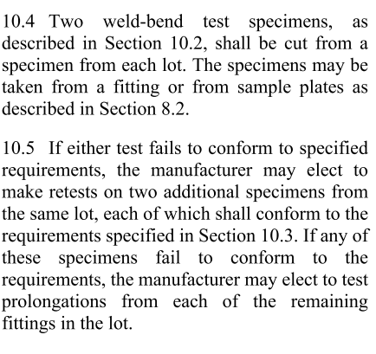
ASTM A860 WPHY52 | ≤0.20*A | 1.00-1.45 | 0.15-0.40*B | ≤0.010 | ≤0.030 | ≤0.30*C | ≤0.50*C | ≤0.25*C | ≤0.10 | ≤0.35*C | ≤0.04 | ≤0.06 |  | ASTM A860 WPHY52 | 52000 | 360 | 66000-91000 | 455-625 | 32 |  | 235 | 40 | 34 | -46
ASTM A860 WPHY60 | ≤0.20*A | 1.00-1.45 | 0.15-0.40*B | ≤0.010 | ≤0.030 | ≤0.30*C | ≤0.50*C | ≤0.25*C | ≤0.10 | ≤0.35*C | ≤0.04 | ≤0.06 |  | ASTM A860 WPHY60 | 60000 | 415 | 75000-100000 | 515-690 | 28 |  | 235 | 40 | 34 | -46
ASTM A860 WPHY65 | ≤0.20*A | 1.00-1.45 | 0.15-0.40*B | ≤0.010 | ≤0.030 | ≤0.30*C | ≤0.50*C | ≤0.25*C | ≤0.10 | ≤0.35*C | ≤0.04 | ≤0.06 |  | ASTM A860 WPHY65 | 65000 | 450 | 77000-102000 | 530-705 | 28 |  | 235 | 40 | 34 | -46
ASTM A860 WPHY70 | ≤0.20*A | 1.00-1.45 | 0.15-0.40*B | ≤0.010 | ≤0.030 | ≤0.30*C | ≤0.50*C | ≤0.25*C | ≤0.10 | ≤0.35*C | ≤0.04 | ≤0.06 |  | ASTM A860 WPHY70 | 70000 | 485 | 80000-105000 | 550-725 | 28 |  | 235 | 40 | 34 | -46

Casting Fittings
 |  |  |  |  |  |  |  | ASTM A216
ASTM A352 |  |  |  |  |  |  |  | Grade | psi | Mpa
ASTM A352 Grade | psi | Mpa |  |  |  |  |  | WCA | 30000 | 205
LCA | 30000 |  |  |  |  |  |  | WCB | 35000 | 250
LCB | 35000 |  |  |  |  |  |  | WCC | 40000 | 275
LC1 | 35000
LC2 | 40000
LCC | 40000
LC2-1 | 80000
LC3 | 40000
LC4 | 40000
LC9 | 75000
CA6NM | 80000

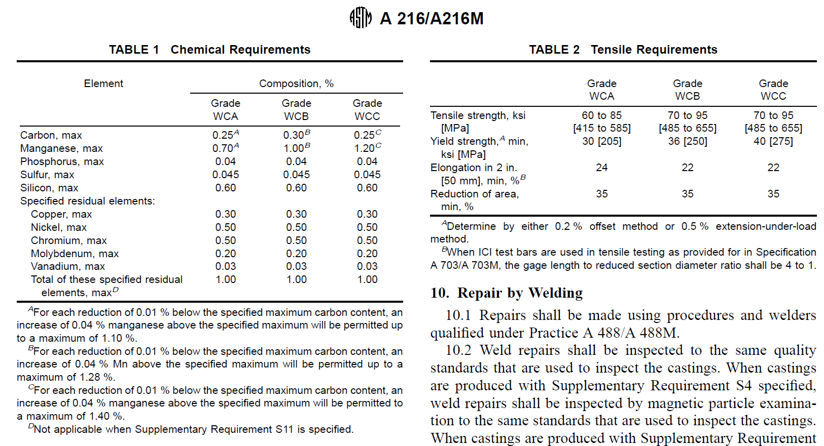

 |  |  | ASTM A351 | Tensile |  | Yield
 |  |  | Grade | Psi | Mpa | Psi | Mpa
 |  |  | CF3 | 70000 | 485 | 30000 | 205
 |  |  | CF-3A | 77000 | 530 | 35000 | 240
 |  |  | CF8 | 70000 | 485 | 30000 | 205
 |  |  | CF-8A | 77000 | 530 | 35000 | 240
 |  |  | CF-3M | 70000 | 485 | 30000 | 205
 |  |  | CF-3MA | 80000 | 550 | 37000 | 255
 |  |  | CF-8M | 70000 | 485 | 30000 | 205
 |  |  | CF-3MN | 75000 | 530 | 37000 | 255
 |  |  | CF-8C | 70000 | 485 | 30000 | 205
 |  |  | CF10 | 70000 | 485 | 30000 | 205
 |  |  | CF-10M | 70000 | 485 | 30000 | 205
 |  |  | CH8 | 65000 | 450 | 28000 | 195
 |  |  | CH10 | 70000 | 485 | 30000 | 205
 |  |  | CH20 | 70000 | 485 | 30000 | 205
 |  |  | CK20 | 65000 | 450 | 28000 | 195
 |  |  | HK30 | 65000 | 450 | 35000 | 240
 |  |  | HK40 | 62000 | 450 | 35000 | 240
 |  |  | HT30 | 65000 | 450 | 28000 | 195
 |  |  | CF-10MC | 70000 | 485 | 30000 | 205
 |  |  | CN-7M | 62000 | 425 | 25000 | 170
 |  |  | CN-3MN | 80000 | 550 | 38000 | 260
 |  |  | CD-4MCu | 100000 | 690 | 70000 | 485
 |  |  | CE-8MN | 95000 | 655 | 65000 | 450
 |  |  | CG6M-MN | 85000 | 585 | 42500 | 295
 |  |  | CG-8M | 75000 | 515 | 35000 | 240
 |  |  | CF10S-MnN | 85000 | 585 | 42500 | 295
 |  |  | CT-15C | 63000 | 435 | 25000 | 170
 |  |  | CK-3M-CuN | 80000 | 550 | 38000 | 260
 |  |  | CE20N | 80000 | 550 | 40000 | 275
 |  |  | CG-3M | 75000 | 515 | 35000 | 240
 |  |  | CD3M-WCuN | 100000 | 700 | 65000 | 450

Low Temp. Pipe&Fittings
